SFRC - Load-CMOD
Load versus CMOD of flexural tensile tests
Records of load versus CMOD for each specimen
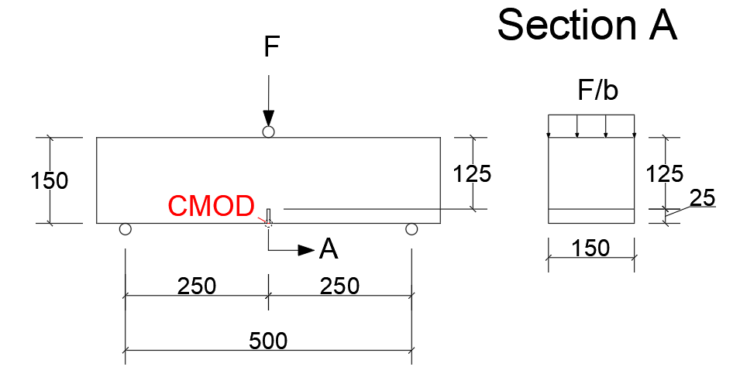
 | Force (kN) - 22 days |  |  |  |  |  |  |  | Force (kN) - Punching test age
CMOD (mm) | Beam 1 | Beam 2 | Beam 3 | Beam 4 | Beam 5 | Beam 6 | Beam 7 | Beam 8 | Beam 9 | Beam 10 | Beam 11 | Beam 12 | Beam 13 | Beam 14 | Beam 15 | Beam 16
0 | 0.000 | 0.000 | 0.000 | 0.000 | 0.000 | 0.000 | 0.000 | 0.000
0.001 | 1.150 | 1.842 | 1.142 | 3.306 | 1.924 | 1.801 | 0.962 | 1.297
0.002 | 1.422 | 2.153 | 2.086 | 7.161 | 2.272 | 2.100 | 1.533 | 2.121
0.003 | 2.150 | 2.784 | 2.868 | 7.538 | 2.804 | 2.983 | 2.679 | 2.926
0.004 | 3.048 | 2.916 | 3.253 | 8.154 | 3.070 | 3.783 | 3.057 | 3.802
0.005 | 3.789 | 3.234 | 3.742 | 8.793 | 3.651 | 4.695 | 3.854 | 4.594
0.006 | 4.139 | 3.632 | 4.158 | 9.145 | 4.017 | 5.407 | 4.722 | 5.013
0.007 | 4.900 | 3.778 | 4.729 | 9.655 | 4.728 | 5.785 | 5.400 | 5.657
0.008 | 5.686 | 4.164 | 5.221 | 9.878 | 5.233 | 6.332 | 5.825 | 6.454
0.009 | 6.183 | 4.614 | 5.512 | 10.219 | 5.536 | 6.745 | 6.519 | 6.956
0.01 | 6.535 | 5.022 | 5.808 | 10.551 | 5.909 | 7.232 | 7.195 | 7.354
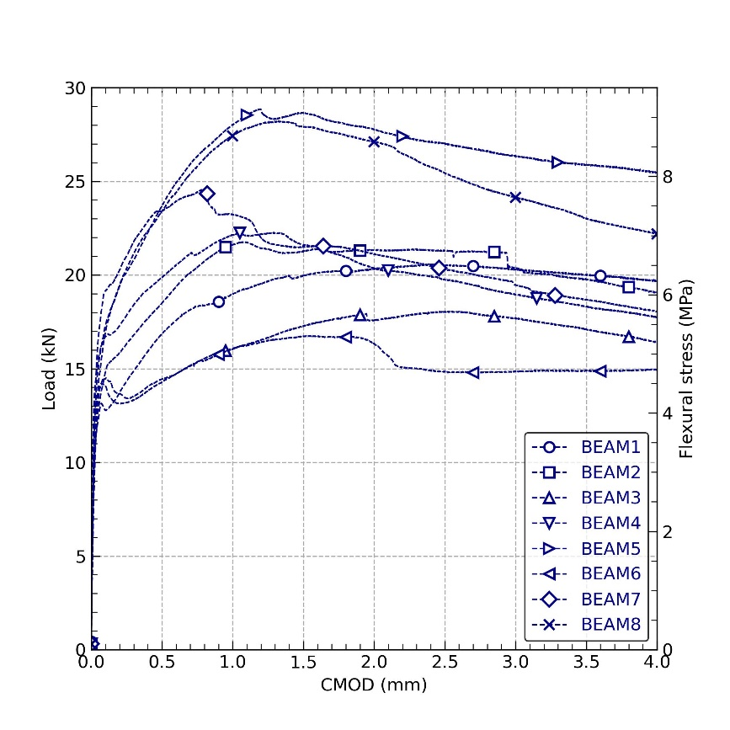
0.011 | 7.018 | 5.728 | 6.098 | 10.749 | 6.225 | 7.792 | 7.753 | 7.764
0.012 | 7.275 | 6.109 | 6.297 | 11.204 | 6.903 | 7.881 | 7.990 | 8.703
0.013 | 7.957 | 6.232 | 6.889 | 11.313 | 6.989 | 8.604 | 8.662 | 8.662
0.014 | 8.117 | 6.993 | 7.022 | 11.497 | 7.281 | 8.677 | 8.850 | 9.401
0.015 | 8.554 | 7.119 | 7.369 | 12.200 | 7.903 | 9.016 | 9.522 | 9.589
0.016 | 8.836 | 7.811 | 7.825 | 12.313 | 7.945 | 9.554 | 9.598 | 9.823
0.017 | 9.003 | 7.928 | 7.917 | 12.518 | 8.208 | 9.669 | 10.400 | 10.371
0.018 | 9.230 | 8.292 | 8.058 | 12.900 | 8.772 | 9.957 | 10.468 | 10.487
0.019 | 9.480 | 8.607 | 8.403 | 13.104 | 8.863 | 10.389 | 11.158 | 10.823
0.02 | 9.752 | 8.813 | 8.660 | 13.144 | 9.184 | 10.473 | 11.336 | 11.270
0.021 | 9.865 | 8.901 | 8.816 | 13.376 | 9.557 | 10.722 | 11.665 | 11.425
0.022 | 10.063 | 9.246 | 9.029 | 13.552 | 9.683 | 11.055 | 12.192 | 11.698
0.023 | 10.240 | 9.549 | 9.376 | 13.668 | 9.865 | 11.315 | 12.337 | 12.006
0.024 | 10.395 | 9.704 | 9.592 | 13.792 | 10.124 | 11.405 | 12.635 | 12.216
0.025 | 10.524 | 9.936 | 9.721 | 13.903 | 10.484 | 11.638 | 13.011 | 12.285
0.026 | 10.606 | 10.213 | 10.000 | 13.976 | 10.605 | 11.887 | 13.100 | 12.442
0.027 | 10.658 | 10.380 | 10.317 | 14.030 | 10.848 | 12.108 | 13.300 | 12.594
0.028 | 10.767 | 10.518 | 10.514 | 14.147 | 11.109 | 12.250 | 13.602 | 12.739
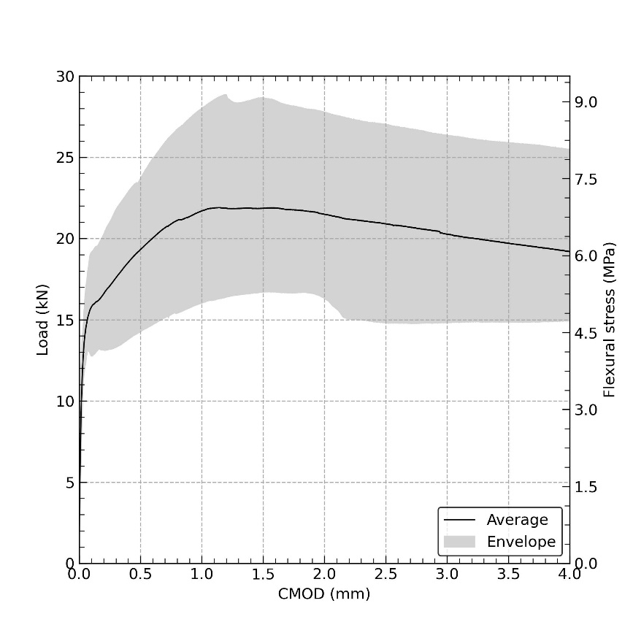
0.029 | 10.885 | 10.625 | 10.660 | 14.238 | 11.305 | 12.375 | 13.801 | 12.896
0.03 | 11.041 | 10.797 | 10.906 | 14.325 | 11.449 | 12.535 | 13.946 | 13.032
0.031 | 11.173 | 10.942 | 11.153 | 14.419 | 11.606 | 12.668 | 14.113 | 13.166
0.032 | 11.324 | 11.148 | 11.354 | 14.529 | 11.862 | 12.768 | 14.351 | 13.233
0.033 | 11.397 | 11.262 | 11.437 | 14.601 | 12.054 | 12.952 | 14.578 | 13.536
0.034 | 11.483 | 11.329 | 11.663 | 14.630 | 12.226 | 13.015 | 14.732 | 13.708
0.035 | 11.514 | 11.462 | 11.702 | 14.711 | 12.276 | 13.066 | 14.791 | 13.905
0.036 | 11.597 | 11.564 | 11.975 | 14.764 | 12.463 | 13.174 | 15.000 | 13.918
0.037 | 11.624 | 11.664 | 12.172 | 14.821 | 12.596 | 13.200 | 15.094 | 14.043
0.038 | 11.735 | 11.846 | 12.275 | 14.839 | 12.797 | 13.366 | 15.368 | 14.244
0.039 | 11.749 | 11.949 | 12.379 | 14.933 | 12.999 | 13.432 | 15.452 | 14.312
0.04 | 11.813 | 12.070 | 12.558 | 15.033 | 13.126 | 13.473 | 15.612 | 14.416
0.041 | 11.865 | 12.142 | 12.729 | 15.085 | 13.148 | 13.526 | 15.656 | 14.526
0.042 | 11.917 | 12.228 | 12.856 | 15.137 | 13.272 | 13.567 | 15.792 | 14.578
0.043 | 11.970 | 12.269 | 12.950 | 15.200 | 13.419 | 13.620 | 15.929 | 14.630
0.044 | 12.012 | 12.364 | 13.034 | 15.252 | 13.526 | 13.652 | 16.045 | 14.676
0.045 | 12.073 | 12.476 | 13.103 | 15.314 | 13.678 | 13.695 | 16.179 | 14.783
0.046 | 12.105 | 12.551 | 13.140 | 15.357 | 13.772 | 13.755 | 16.294 | 14.814
0.047 | 12.151 | 12.631 | 13.211 | 15.413 | 13.871 | 13.795 | 16.402 | 14.853
0.048 | 12.207 | 12.691 | 13.281 | 15.477 | 13.977 | 13.829 | 16.475 | 14.929
0.049 | 12.244 | 12.749 | 13.367 | 15.508 | 14.024 | 13.874 | 16.551 | 15.016
0.05 | 12.296 | 12.822 | 13.423 | 15.543 | 14.122 | 13.916 | 16.626 | 15.097
0.051 | 12.334 | 12.881 | 13.465 | 15.596 | 14.219 | 13.930 | 16.689 | 15.168
0.052 | 12.361 | 12.925 | 13.528 | 15.644 | 14.311 | 13.947 | 16.772 | 15.268
0.053 | 12.418 | 12.981 | 13.599 | 15.661 | 14.400 | 13.975 | 16.854 | 15.341
0.054 | 12.490 | 13.035 | 13.641 | 15.680 | 14.470 | 13.985 | 16.925 | 15.381
0.055 | 12.532 | 13.066 | 13.691 | 15.727 | 14.551 | 13.996 | 17.037 | 15.461
0.056 | 12.566 | 13.086 | 13.693 | 15.766 | 14.547 | 14.006 | 17.085 | 15.471
0.057 | 12.622 | 13.156 | 13.780 | 15.762 | 14.646 | 14.013 | 17.152 | 15.533
0.058 | 12.711 | 13.191 | 13.805 | 15.824 | 14.678 | 14.037 | 17.201 | 15.545
0.059 | 12.779 | 13.265 | 13.860 | 15.842 | 14.767 | 14.047 | 17.258 | 15.600
0.06 | 12.821 | 13.281 | 13.904 | 15.871 | 14.771 | 14.058 | 17.355 | 15.642
0.061 | 12.860 | 13.320 | 13.935 | 15.913 | 14.813 | 14.068 | 17.373 | 15.681
0.062 | 12.925 | 13.384 | 13.968 | 15.956 | 14.852 | 14.079 | 17.411 | 15.746
0.063 | 12.969 | 13.437 | 13.986 | 15.988 | 14.915 | 14.088 | 17.483 | 15.787
0.064 | 12.978 | 13.478 | 14.050 | 16.019 | 14.977 | 14.110 | 17.568 | 15.839
0.065 | 13.030 | 13.550 | 14.061 | 16.041 | 15.061 | 14.100 | 17.620 | 15.922
0.066 | 13.043 | 13.583 | 14.084 | 16.102 | 15.132 | 14.121 | 17.685 | 15.986
0.067 | 13.091 | 13.634 | 14.132 | 16.133 | 15.177 | 14.129 | 17.788 | 16.064
0.068 | 13.102 | 13.673 | 14.157 | 16.163 | 15.250 | 14.122 | 17.870 | 16.104
0.069 | 13.116 | 13.700 | 14.194 | 16.174 | 15.322 | 14.130 | 17.943 | 16.174
0.07 | 13.140 | 13.752 | 14.213 | 16.155 | 15.382 | 14.132 | 18.014 | 16.193
0.071 | 13.143 | 13.802 | 14.226 | 16.182 | 15.452 | 14.143 | 18.071 | 16.212
0.072 | 13.150 | 13.837 | 14.244 | 16.220 | 15.540 | 14.150 | 18.116 | 16.251
0.073 | 13.138 | 13.865 | 14.266 | 16.244 | 15.587 | 14.158 | 18.165 | 16.278
0.074 | 13.120 | 13.899 | 14.297 | 16.263 | 15.643 | 14.170 | 18.203 | 16.306
0.075 | 13.115 | 13.924 | 14.315 | 16.310 | 15.686 | 14.170 | 18.239 | 16.340
0.076 | 13.105 | 13.956 | 14.325 | 16.301 | 15.756 | 14.175 | 18.276 | 16.391
0.077 | 13.094 | 13.991 | 14.332 | 16.317 | 15.778 | 14.156 | 18.310 | 16.399
0.078 | 13.091 | 14.001 | 14.345 | 16.345 | 15.819 | 14.170 | 18.420 | 16.463
0.079 | 13.050 | 14.053 | 14.400 | 16.393 | 15.910 | 14.173 | 18.476 | 16.477
0.08 | 13.053 | 14.111 | 14.416 | 16.408 | 15.978 | 14.154 | 18.512 | 16.522
0.081 | 13.045 | 14.145 | 14.340 | 16.455 | 16.018 | 14.182 | 18.570 | 16.547
0.082 | 13.022 | 14.164 | 14.338 | 16.480 | 16.064 | 14.168 | 18.660 | 16.616
0.083 | 13.013 | 14.192 | 14.349 | 16.474 | 16.152 | 14.181 | 18.712 | 16.636
0.084 | 12.992 | 14.249 | 14.359 | 16.519 | 16.202 | 14.171 | 18.765 | 16.666
0.085 | 12.976 | 14.257 | 14.368 | 16.530 | 16.276 | 14.160 | 18.806 | 16.718
0.086 | 12.960 | 14.310 | 14.420 | 16.530 | 16.339 | 14.160 | 18.868 | 16.780
0.087 | 12.940 | 14.331 | 14.439 | 16.541 | 16.392 | 14.170 | 18.940 | 16.822
0.088 | 12.929 | 14.374 | 14.421 | 16.561 | 16.462 | 14.158 | 18.953 | 16.863
0.089 | 12.919 | 14.426 | 14.430 | 16.571 | 16.496 | 14.130 | 19.003 | 16.896
0.09 | 12.905 | 14.473 | 14.432 | 16.582 | 16.545 | 14.130 | 19.030 | 16.940
0.091 | 12.878 | 14.499 | 14.440 | 16.592 | 16.574 | 14.128 | 19.036 | 16.985
0.092 | 12.867 | 14.538 | 14.441 | 16.603 | 16.606 | 14.119 | 19.063 | 17.020
0.093 | 12.851 | 14.569 | 14.447 | 16.613 | 16.656 | 14.113 | 19.070 | 17.073
0.094 | 12.826 | 14.604 | 14.446 | 16.631 | 16.688 | 14.103 | 19.073 | 17.099
0.095 | 12.816 | 14.642 | 14.444 | 16.654 | 16.732 | 14.090 | 19.084 | 17.143
0.096 | 12.805 | 14.678 | 14.455 | 16.665 | 16.770 | 14.092 | 19.099 | 17.179
0.097 | 12.790 | 14.730 | 14.475 | 16.670 | 16.830 | 14.105 | 19.125 | 17.230
0.098 | 12.790 | 14.746 | 14.460 | 16.700 | 16.828 | 14.090 | 19.135 | 17.256
0.099 | 12.794 | 14.782 | 14.460 | 16.700 | 16.926 | 14.090 | 19.150 | 17.255
0.1 | 12.776 | 14.803 | 14.453 | 16.693 | 16.922 | 14.097 | 19.142 | 17.300
0.101 | 12.793 | 14.817 | 14.483 | 16.714 | 16.977 | 14.073 | 19.167 | 17.331
0.102 | 12.780 | 14.867 | 14.468 | 16.743 | 17.022 | 14.063 | 19.180 | 17.360
0.103 | 12.780 | 14.871 | 14.480 | 16.730 | 17.049 | 14.054 | 19.180 | 17.408
0.104 | 12.782 | 14.913 | 14.480 | 16.725 | 17.108 | 14.033 | 19.180 | 17.417
0.105 | 12.767 | 14.956 | 14.479 | 16.760 | 17.115 | 14.011 | 19.177 | 17.436
0.106 | 12.790 | 14.989 | 14.491 | 16.759 | 17.155 | 14.002 | 19.199 | 17.478
0.107 | 12.789 | 14.998 | 14.480 | 16.770 | 17.219 | 13.970 | 19.208 | 17.510
0.108 | 12.810 | 15.050 | 14.470 | 16.780 | 17.240 | 13.959 | 19.240 | 17.550
0.109 | 12.801 | 15.092 | 14.470 | 16.781 | 17.291 | 13.899 | 19.210 | 17.562
0.11 | 12.822 | 15.121 | 14.471 | 16.793 | 17.314 | 13.878 | 19.221 | 17.594
0.111 | 12.840 | 15.133 | 14.480 | 16.821 | 17.353 | 13.854 | 19.231 | 17.622
0.112 | 12.840 | 15.152 | 14.476 | 16.830 | 17.376 | 13.816 | 19.242 | 17.634
0.113 | 12.840 | 15.167 | 14.460 | 16.830 | 17.407 | 13.795 | 19.255 | 17.661
0.114 | 12.849 | 15.193 | 14.460 | 16.833 | 17.436 | 13.773 | 19.273 | 17.690
0.115 | 12.870 | 15.200 | 14.451 | 16.837 | 17.457 | 13.747 | 19.280 | 17.701
0.116 | 12.866 | 15.204 | 14.425 | 16.834 | 17.481 | 13.722 | 19.287 | 17.720
0.117 | 12.863 | 15.214 | 14.403 | 16.844 | 17.513 | 13.701 | 19.304 | 17.727
0.118 | 12.870 | 15.222 | 14.390 | 16.848 | 17.544 | 13.685 | 19.312 | 17.750
0.119 | 12.875 | 15.220 | 14.365 | 16.835 | 17.585 | 13.672 | 19.305 | 17.736
0.12 | 12.890 | 15.241 | 14.354 | 16.854 | 17.600 | 13.659 | 19.345 | 17.776
0.121 | 12.890 | 15.274 | 14.344 | 16.848 | 17.576 | 13.638 | 19.360 | 17.772
0.122 | 12.887 | 15.260 | 14.327 | 16.823 | 17.653 | 13.610 | 19.356 | 17.837
0.123 | 12.897 | 15.263 | 14.340 | 16.807 | 17.677 | 13.619 | 19.364 | 17.847
0.124 | 12.908 | 15.240 | 14.340 | 16.820 | 17.680 | 13.580 | 19.390 | 17.853
0.125 | 12.918 | 15.290 | 14.342 | 16.821 | 17.728 | 13.584 | 19.386 | 17.883
0.126 | 12.930 | 15.290 | 14.331 | 16.816 | 17.735 | 13.563 | 19.405 | 17.927
0.127 | 12.929 | 15.288 | 14.319 | 16.811 | 17.766 | 13.540 | 19.440 | 17.948
0.128 | 12.939 | 15.309 | 14.330 | 16.799 | 17.798 | 13.542 | 19.440 | 17.979
0.129 | 12.950 | 15.320 | 14.330 | 16.810 | 17.829 | 13.510 | 19.440 | 18.010
0.13 | 12.970 | 15.320 | 14.321 | 16.810 | 17.870 | 13.500 | 19.450 | 18.012
0.131 | 12.981 | 15.330 | 14.331 | 16.800 | 17.891 | 13.499 | 19.461 | 18.052
0.132 | 12.989 | 15.332 | 14.337 | 16.800 | 17.906 | 13.489 | 19.472 | 18.075
0.133 | 12.983 | 15.353 | 14.320 | 16.800 | 17.953 | 13.484 | 19.488 | 18.102
0.134 | 13.002 | 15.372 | 14.319 | 16.800 | 17.972 | 13.478 | 19.480 | 18.120
0.135 | 13.010 | 15.380 | 14.314 | 16.800 | 17.990 | 13.467 | 19.482 | 18.147
0.136 | 13.010 | 15.383 | 14.310 | 16.800 | 18.026 | 13.454 | 19.493 | 18.147
0.137 | 13.017 | 15.390 | 14.302 | 16.807 | 18.047 | 13.433 | 19.493 | 18.164
0.138 | 13.030 | 15.390 | 14.288 | 16.820 | 18.080 | 13.420 | 19.484 | 18.181
0.139 | 13.037 | 15.394 | 14.280 | 16.822 | 18.123 | 13.413 | 19.499 | 18.220
0.14 | 13.055 | 15.415 | 14.313 | 16.835 | 18.165 | 13.385 | 19.508 | 18.215
0.141 | 13.070 | 15.391 | 14.219 | 16.815 | 18.166 | 13.405 | 19.490 | 18.217
0.142 | 13.066 | 15.412 | 14.200 | 16.826 | 18.193 | 13.396 | 19.524 | 18.260
0.143 | 13.076 | 15.447 | 14.173 | 16.840 | 18.239 | 13.380 | 19.510 | 18.257
0.144 | 13.090 | 15.417 | 14.146 | 16.837 | 18.273 | 13.360 | 19.510 | 18.267
0.145 | 13.087 | 15.427 | 14.125 | 16.850 | 18.294 | 13.363 | 19.510 | 18.270
0.146 | 13.098 | 15.438 | 14.108 | 16.850 | 18.313 | 13.350 | 19.508 | 18.318
0.147 | 13.110 | 15.448 | 14.063 | 16.848 | 18.348 | 13.354 | 19.516 | 18.330
0.148 | 13.107 | 15.460 | 14.042 | 16.859 | 18.356 | 13.331 | 19.540 | 18.326
0.149 | 13.128 | 15.459 | 14.022 | 16.869 | 18.388 | 13.321 | 19.539 | 18.369
0.15 | 13.150 | 15.469 | 13.980 | 16.880 | 18.409 | 13.310 | 19.549 | 18.390
0.151 | 13.140 | 15.490 | 13.969 | 16.890 | 18.420 | 13.300 | 19.560 | 18.400
0.152 | 13.151 | 15.480 | 13.948 | 16.901 | 18.402 | 13.300 | 19.570 | 18.413
0.153 | 13.162 | 15.490 | 13.927 | 16.911 | 18.441 | 13.295 | 19.581 | 18.453
0.154 | 13.181 | 15.493 | 13.906 | 16.920 | 18.450 | 13.287 | 19.592 | 18.474
0.155 | 13.190 | 15.514 | 13.888 | 16.922 | 18.452 | 13.272 | 19.610 | 18.497
0.156 | 13.195 | 15.528 | 13.875 | 16.930 | 18.467 | 13.280 | 19.614 | 18.525
0.157 | 13.213 | 15.526 | 13.857 | 16.930 | 18.495 | 13.277 | 19.638 | 18.540
0.158 | 13.217 | 15.543 | 13.846 | 16.940 | 18.513 | 13.263 | 19.657 | 18.551
0.159 | 13.214 | 15.550 | 13.840 | 16.956 | 18.531 | 13.246 | 19.654 | 18.582
0.16 | 13.224 | 15.553 | 13.833 | 16.950 | 18.554 | 13.240 | 19.668 | 18.607
0.161 | 13.235 | 15.560 | 13.815 | 16.952 | 18.567 | 13.235 | 19.687 | 18.615
0.162 | 13.240 | 15.565 | 13.800 | 16.960 | 18.580 | 13.227 | 19.710 | 18.651
0.163 | 13.266 | 15.580 | 13.800 | 16.960 | 18.592 | 13.216 | 19.692 | 18.668
0.164 | 13.272 | 15.572 | 13.804 | 16.956 | 18.638 | 13.238 | 19.754 | 18.703
0.165 | 13.300 | 15.604 | 13.793 | 16.963 | 18.684 | 13.207 | 19.733 | 18.724
0.166 | 13.297 | 15.590 | 13.780 | 16.993 | 18.664 | 13.223 | 19.757 | 18.747
0.167 | 13.307 | 15.587 | 13.780 | 16.977 | 18.682 | 13.213 | 19.767 | 18.751
0.168 | 13.316 | 15.600 | 13.785 | 16.988 | 18.716 | 13.202 | 19.775 | 18.798
0.169 | 13.340 | 15.598 | 13.750 | 16.998 | 18.737 | 13.190 | 19.798 | 18.808
0.17 | 13.339 | 15.606 | 13.750 | 17.010 | 18.755 | 13.191 | 19.804 | 18.829
0.171 | 13.349 | 15.641 | 13.750 | 17.010 | 18.799 | 13.180 | 19.851 | 18.849
0.172 | 13.370 | 15.630 | 13.740 | 17.010 | 18.810 | 13.180 | 19.840 | 18.881
0.173 | 13.370 | 15.640 | 13.739 | 17.020 | 18.820 | 13.170 | 19.850 | 18.920
0.174 | 13.381 | 15.650 | 13.729 | 17.031 | 18.842 | 13.179 | 19.871 | 18.923
0.175 | 13.391 | 15.651 | 13.720 | 17.050 | 18.873 | 13.171 | 19.900 | 18.953
0.176 | 13.403 | 15.658 | 13.720 | 17.053 | 18.903 | 13.180 | 19.900 | 18.974
0.177 | 13.424 | 15.650 | 13.720 | 17.070 | 18.924 | 13.180 | 19.904 | 18.998
0.178 | 13.440 | 15.658 | 13.714 | 17.070 | 18.942 | 13.175 | 19.925 | 19.026
0.179 | 13.446 | 15.680 | 13.700 | 17.073 | 18.956 | 13.157 | 19.943 | 19.047
0.18 | 13.463 | 15.683 | 13.700 | 17.080 | 18.977 | 13.150 | 19.950 | 19.072
0.181 | 13.474 | 15.698 | 13.698 | 17.084 | 18.998 | 13.150 | 19.954 | 19.092
0.182 | 13.482 | 15.708 | 13.690 | 17.094 | 19.014 | 13.152 | 19.968 | 19.090
0.183 | 13.480 | 15.695 | 13.695 | 17.100 | 19.032 | 13.165 | 19.994 | 19.106
0.184 | 13.505 | 15.710 | 13.680 | 17.121 | 19.060 | 13.145 | 20.040 | 19.146
0.185 | 13.516 | 15.702 | 13.680 | 17.150 | 19.077 | 13.160 | 20.031 | 19.152
0.186 | 13.523 | 15.730 | 13.680 | 17.146 | 19.120 | 13.160 | 20.056 | 19.177
0.187 | 13.550 | 15.730 | 13.683 | 17.157 | 19.110 | 13.163 | 20.074 | 19.184
0.188 | 13.544 | 15.724 | 13.670 | 17.170 | 19.147 | 13.150 | 20.051 | 19.205
0.189 | 13.570 | 15.750 | 13.670 | 17.165 | 19.155 | 13.150 | 20.085 | 19.226
0.19 | 13.566 | 15.748 | 13.670 | 17.188 | 19.176 | 13.152 | 20.108 | 19.250
0.191 | 13.589 | 15.760 | 13.670 | 17.199 | 19.195 | 13.137 | 20.117 | 19.248
0.192 | 13.598 | 15.759 | 13.669 | 17.208 | 19.229 | 13.161 | 20.138 | 19.269
0.193 | 13.619 | 15.769 | 13.680 | 17.230 | 19.238 | 13.150 | 20.159 | 19.300
0.194 | 13.640 | 15.780 | 13.670 | 17.230 | 19.280 | 13.150 | 20.170 | 19.331
0.195 | 13.660 | 15.800 | 13.679 | 17.230 | 19.291 | 13.150 | 20.170 | 19.359
0.196 | 13.651 | 15.802 | 13.670 | 17.240 | 19.312 | 13.158 | 20.191 | 19.353
0.197 | 13.663 | 15.823 | 13.670 | 17.243 | 19.332 | 13.141 | 20.211 | 19.374
0.198 | 13.682 | 15.836 | 13.668 | 17.264 | 19.353 | 13.146 | 20.222 | 19.392
0.199 | 13.692 | 15.822 | 13.660 | 17.280 | 19.372 | 13.150 | 20.238 | 19.403
0.2 | 13.706 | 15.833 | 13.660 | 17.288 | 19.388 | 13.150 | 20.272 | 19.420
0.201 | 13.726 | 15.843 | 13.656 | 17.307 | 19.422 | 13.147 | 20.280 | 19.455
0.202 | 13.740 | 15.854 | 13.654 | 17.304 | 19.454 | 13.144 | 20.283 | 19.488
0.203 | 13.748 | 15.868 | 13.662 | 17.310 | 19.468 | 13.146 | 20.302 | 19.507
0.204 | 13.762 | 15.880 | 13.675 | 17.317 | 19.487 | 13.140 | 20.324 | 19.510
0.205 | 13.760 | 15.870 | 13.664 | 17.330 | 19.500 | 13.140 | 20.324 | 19.557
0.206 | 13.781 | 15.895 | 13.654 | 17.356 | 19.521 | 13.140 | 20.361 | 19.596
0.207 | 13.798 | 15.910 | 13.642 | 17.366 | 19.538 | 13.144 | 20.381 | 19.600
0.208 | 13.844 | 15.903 | 13.637 | 17.377 | 19.573 | 13.130 | 20.399 | 19.640
0.209 | 13.827 | 15.930 | 13.630 | 17.384 | 19.600 | 13.124 | 20.440 | 19.637
0.21 | 13.835 | 15.927 | 13.632 | 17.405 | 19.597 | 13.150 | 20.431 | 19.644
0.211 | 13.856 | 15.938 | 13.620 | 17.430 | 19.603 | 13.152 | 20.465 | 19.677
0.212 | 13.878 | 15.947 | 13.620 | 17.430 | 19.635 | 13.138 | 20.490 | 19.699
0.213 | 13.889 | 15.971 | 13.620 | 17.428 | 19.666 | 13.150 | 20.488 | 19.709
0.214 | 13.899 | 15.958 | 13.620 | 17.449 | 19.698 | 13.150 | 20.498 | 19.729
0.215 | 13.920 | 15.980 | 13.620 | 17.469 | 19.720 | 13.150 | 20.519 | 19.760
0.216 | 13.930 | 15.985 | 13.619 | 17.490 | 19.710 | 13.140 | 20.540 | 19.761
0.217 | 13.940 | 15.992 | 13.598 | 17.489 | 19.741 | 13.141 | 20.551 | 19.784
0.218 | 13.941 | 16.018 | 13.580 | 17.482 | 19.752 | 13.150 | 20.582 | 19.813
0.219 | 13.955 | 16.005 | 13.578 | 17.503 | 19.771 | 13.152 | 20.603 | 19.834
0.22 | 13.984 | 16.030 | 13.570 | 17.520 | 19.784 | 13.160 | 20.623 | 19.855
0.221 | 14.003 | 16.032 | 13.570 | 17.523 | 19.807 | 13.161 | 20.640 | 19.873
0.222 | 14.013 | 16.046 | 13.570 | 17.536 | 19.833 | 13.167 | 20.643 | 19.883
0.223 | 14.027 | 16.063 | 13.562 | 17.553 | 19.840 | 13.170 | 20.659 | 19.894
0.224 | 14.036 | 16.074 | 13.550 | 17.564 | 19.847 | 13.166 | 20.684 | 19.913
0.225 | 14.034 | 16.084 | 13.548 | 17.572 | 19.873 | 13.160 | 20.694 | 19.960
0.226 | 14.045 | 16.095 | 13.545 | 17.575 | 19.892 | 13.160 | 20.709 | 19.951
0.227 | 14.058 | 16.105 | 13.534 | 17.585 | 19.885 | 13.155 | 20.740 | 19.972
0.228 | 14.063 | 16.120 | 13.524 | 17.596 | 19.926 | 13.170 | 20.735 | 20.000
0.229 | 14.059 | 16.116 | 13.513 | 17.606 | 19.936 | 13.170 | 20.746 | 19.994
0.23 | 14.093 | 16.127 | 13.500 | 17.610 | 19.947 | 13.168 | 20.753 | 20.014
0.231 | 14.117 | 16.137 | 13.500 | 17.650 | 19.958 | 13.174 | 20.774 | 20.038
0.232 | 14.130 | 16.150 | 13.502 | 17.648 | 19.964 | 13.178 | 20.797 | 20.046
0.233 | 14.128 | 16.148 | 13.493 | 17.658 | 19.966 | 13.192 | 20.808 | 20.067
0.234 | 14.137 | 16.157 | 13.470 | 17.669 | 19.988 | 13.181 | 20.818 | 20.088
0.235 | 14.158 | 16.180 | 13.470 | 17.679 | 20.000 | 13.169 | 20.829 | 20.110
0.236 | 14.181 | 16.181 | 13.470 | 17.689 | 19.999 | 13.181 | 20.840 | 20.120
0.237 | 14.170 | 16.170 | 13.460 | 17.700 | 20.010 | 13.170 | 20.839 | 20.131
0.238 | 14.181 | 16.200 | 13.450 | 17.711 | 20.020 | 13.180 | 20.860 | 20.151
0.239 | 14.209 | 16.211 | 13.449 | 17.739 | 20.012 | 13.189 | 20.889 | 20.163
0.24 | 14.200 | 16.220 | 13.440 | 17.731 | 20.042 | 13.183 | 20.882 | 20.184
0.241 | 14.204 | 16.225 | 13.440 | 17.742 | 20.058 | 13.198 | 20.903 | 20.200
0.242 | 14.225 | 16.248 | 13.437 | 17.752 | 20.054 | 13.190 | 20.918 | 20.206
0.243 | 14.243 | 16.245 | 13.430 | 17.765 | 20.078 | 13.190 | 20.912 | 20.230
0.244 | 14.250 | 16.260 | 13.432 | 17.783 | 20.097 | 13.190 | 20.928 | 20.254
0.245 | 14.261 | 16.267 | 13.437 | 17.797 | 20.090 | 13.190 | 20.957 | 20.256
0.246 | 14.280 | 16.280 | 13.438 | 17.811 | 20.098 | 13.190 | 20.966 | 20.264
0.247 | 14.285 | 16.289 | 13.430 | 17.815 | 20.117 | 13.190 | 20.973 | 20.310
0.248 | 14.295 | 16.320 | 13.434 | 17.815 | 20.135 | 13.185 | 20.995 | 20.306
0.249 | 14.306 | 16.315 | 13.420 | 17.817 | 20.141 | 13.200 | 21.000 | 20.304
0.25 | 14.312 | 16.326 | 13.417 | 17.856 | 20.166 | 13.204 | 21.026 | 20.363
0.251 | 14.333 | 16.336 | 13.430 | 17.866 | 20.180 | 13.190 | 21.036 | 20.344
0.252 | 14.354 | 16.347 | 13.431 | 17.874 | 20.173 | 13.190 | 21.043 | 20.367
0.253 | 14.380 | 16.357 | 13.426 | 17.900 | 20.200 | 13.190 | 21.067 | 20.376
0.254 | 14.378 | 16.370 | 13.418 | 17.898 | 20.195 | 13.188 | 21.077 | 20.394
0.255 | 14.390 | 16.366 | 13.431 | 17.908 | 20.216 | 13.199 | 21.086 | 20.440
0.256 | 14.388 | 16.387 | 13.420 | 17.918 | 20.240 | 13.204 | 21.108 | 20.439
0.257 | 14.408 | 16.411 | 13.420 | 17.939 | 20.237 | 13.211 | 21.120 | 20.460
0.258 | 14.430 | 16.400 | 13.420 | 17.950 | 20.270 | 13.200 | 21.119 | 20.470
0.259 | 14.430 | 16.410 | 13.410 | 17.950 | 20.270 | 13.210 | 21.129 | 20.481
0.26 | 14.451 | 16.421 | 13.411 | 17.966 | 20.280 | 13.219 | 21.160 | 20.502
0.261 | 14.470 | 16.432 | 13.420 | 17.981 | 20.291 | 13.210 | 21.170 | 20.520
0.262 | 14.470 | 16.450 | 13.420 | 17.990 | 20.301 | 13.208 | 21.173 | 20.524
0.263 | 14.472 | 16.454 | 13.420 | 17.990 | 20.314 | 13.202 | 21.203 | 20.548
0.264 | 14.485 | 16.470 | 13.423 | 17.992 | 20.335 | 13.215 | 21.220 | 20.576
0.265 | 14.506 | 16.473 | 13.426 | 18.006 | 20.353 | 13.227 | 21.223 | 20.586
0.266 | 14.523 | 16.477 | 13.420 | 18.027 | 20.357 | 13.220 | 21.236 | 20.592
0.267 | 14.538 | 16.474 | 13.420 | 18.048 | 20.357 | 13.220 | 21.264 | 20.614
0.268 | 14.552 | 16.493 | 13.415 | 18.064 | 20.374 | 13.222 | 21.294 | 20.615
0.269 | 14.560 | 16.510 | 13.430 | 18.080 | 20.387 | 13.230 | 21.304 | 20.655
0.27 | 14.555 | 16.513 | 13.430 | 18.080 | 20.405 | 13.230 | 21.310 | 20.658
0.271 | 14.561 | 16.511 | 13.430 | 18.071 | 20.416 | 13.230 | 21.335 | 20.700
0.272 | 14.590 | 16.544 | 13.427 | 18.092 | 20.426 | 13.230 | 21.346 | 20.694
0.273 | 14.583 | 16.527 | 13.443 | 18.120 | 20.436 | 13.227 | 21.352 | 20.720
0.274 | 14.607 | 16.537 | 13.428 | 18.114 | 20.444 | 13.240 | 21.377 | 20.718
0.275 | 14.620 | 16.542 | 13.442 | 18.135 | 20.459 | 13.240 | 21.384 | 20.723
0.276 | 14.618 | 16.582 | 13.429 | 18.162 | 20.512 | 13.238 | 21.403 | 20.769
0.277 | 14.628 | 16.570 | 13.440 | 18.149 | 20.497 | 13.249 | 21.438 | 20.778
0.278 | 14.639 | 16.567 | 13.440 | 18.157 | 20.518 | 13.261 | 21.453 | 20.799
0.279 | 14.649 | 16.599 | 13.440 | 18.190 | 20.539 | 13.250 | 21.426 | 20.830
0.28 | 14.670 | 16.610 | 13.449 | 18.195 | 20.550 | 13.250 | 21.469 | 20.821
0.281 | 14.661 | 16.610 | 13.441 | 18.201 | 20.550 | 13.251 | 21.480 | 20.841
0.282 | 14.692 | 16.612 | 13.453 | 18.219 | 20.561 | 13.270 | 21.501 | 20.850
0.283 | 14.709 | 16.641 | 13.470 | 18.214 | 20.581 | 13.270 | 21.522 | 20.856
0.284 | 14.700 | 16.652 | 13.468 | 18.240 | 20.592 | 13.270 | 21.541 | 20.880
0.285 | 14.704 | 16.662 | 13.460 | 18.242 | 20.606 | 13.272 | 21.554 | 20.891
0.286 | 14.725 | 16.673 | 13.462 | 18.255 | 20.632 | 13.283 | 21.572 | 20.920
0.287 | 14.740 | 16.680 | 13.467 | 18.267 | 20.640 | 13.288 | 21.580 | 20.928
0.288 | 14.744 | 16.676 | 13.474 | 18.267 | 20.647 | 13.283 | 21.586 | 20.944
0.289 | 14.758 | 16.678 | 13.482 | 18.288 | 20.664 | 13.280 | 21.615 | 20.955
0.29 | 14.772 | 16.694 | 13.485 | 18.302 | 20.674 | 13.285 | 21.644 | 20.951
0.291 | 14.775 | 16.700 | 13.500 | 18.305 | 20.680 | 13.295 | 21.655 | 21.010
0.292 | 14.785 | 16.721 | 13.504 | 18.315 | 20.705 | 13.315 | 21.665 | 20.998
0.293 | 14.796 | 16.754 | 13.487 | 18.328 | 20.716 | 13.296 | 21.671 | 21.033
0.294 | 14.806 | 16.736 | 13.497 | 18.333 | 20.726 | 13.310 | 21.692 | 21.060
0.295 | 14.817 | 16.750 | 13.510 | 18.334 | 20.737 | 13.307 | 21.720 | 21.060
0.296 | 14.830 | 16.744 | 13.510 | 18.357 | 20.750 | 13.320 | 21.714 | 21.054
0.297 | 14.823 | 16.768 | 13.507 | 18.368 | 20.745 | 13.322 | 21.735 | 21.087
0.298 | 14.860 | 16.778 | 13.531 | 18.378 | 20.766 | 13.308 | 21.756 | 21.109
0.299 | 14.859 | 16.790 | 13.519 | 18.389 | 20.790 | 13.320 | 21.782 | 21.119
0.3 | 14.869 | 16.788 | 13.540 | 18.400 | 20.788 | 13.318 | 21.767 | 21.140
0.301 | 14.879 | 16.810 | 13.540 | 18.399 | 20.809 | 13.340 | 21.788 | 21.170
0.302 | 14.900 | 16.810 | 13.540 | 18.420 | 20.830 | 13.330 | 21.810 | 21.171
0.303 | 14.910 | 16.810 | 13.540 | 18.440 | 20.830 | 13.341 | 21.810 | 21.179
0.304 | 14.912 | 16.821 | 13.543 | 18.442 | 20.842 | 13.351 | 21.841 | 21.175
0.305 | 14.931 | 16.831 | 13.562 | 18.460 | 20.860 | 13.357 | 21.852 | 21.204
0.306 | 14.942 | 16.840 | 13.570 | 18.462 | 20.863 | 13.340 | 21.870 | 21.225
0.307 | 14.950 | 16.845 | 13.564 | 18.475 | 20.884 | 13.342 | 21.874 | 21.243
0.308 | 14.953 | 16.863 | 13.557 | 18.493 | 20.903 | 13.353 | 21.888 | 21.257
0.309 | 14.963 | 16.870 | 13.570 | 18.500 | 20.916 | 13.360 | 21.883 | 21.274
0.31 | 14.978 | 16.874 | 13.570 | 18.500 | 20.930 | 13.364 | 21.903 | 21.285
0.311 | 14.999 | 16.888 | 13.565 | 18.504 | 20.934 | 13.366 | 21.930 | 21.285
0.312 | 15.012 | 16.905 | 13.580 | 18.515 | 20.949 | 13.365 | 21.934 | 21.325
0.313 | 15.010 | 16.915 | 13.576 | 18.516 | 20.975 | 13.375 | 21.945 | 21.340
0.314 | 15.040 | 16.926 | 13.586 | 18.560 | 20.990 | 13.394 | 21.960 | 21.329
0.315 | 15.040 | 16.940 | 13.600 | 18.560 | 20.978 | 13.376 | 21.951 | 21.367
0.316 | 15.033 | 16.936 | 13.597 | 18.557 | 21.016 | 13.390 | 21.984 | 21.377
0.317 | 15.060 | 16.950 | 13.610 | 18.570 | 21.027 | 13.384 | 21.960 | 21.390
0.318 | 15.058 | 16.945 | 13.612 | 18.565 | 21.037 | 13.408 | 22.000 | 21.387
0.319 | 15.066 | 16.968 | 13.599 | 18.590 | 21.045 | 13.422 | 21.995 | 21.407
0.32 | 15.088 | 16.980 | 13.610 | 18.588 | 21.068 | 13.409 | 22.018 | 21.428
0.321 | 15.099 | 16.980 | 13.610 | 18.599 | 21.077 | 13.414 | 22.030 | 21.449
0.322 | 15.110 | 16.979 | 13.620 | 18.609 | 21.098 | 13.419 | 22.029 | 21.480
0.323 | 15.110 | 17.000 | 13.621 | 18.620 | 21.119 | 13.430 | 22.039 | 21.490
0.324 | 15.130 | 17.010 | 13.630 | 18.630 | 21.140 | 13.420 | 22.050 | 21.491
0.325 | 15.132 | 17.010 | 13.631 | 18.631 | 21.141 | 13.411 | 22.051 | 21.502
0.326 | 15.150 | 17.011 | 13.641 | 18.641 | 21.151 | 13.421 | 22.089 | 21.512
0.327 | 15.153 | 17.025 | 13.646 | 18.652 | 21.163 | 13.430 | 22.084 | 21.520
0.328 | 15.172 | 17.050 | 13.650 | 18.662 | 21.184 | 13.430 | 22.113 | 21.529
0.329 | 15.181 | 17.053 | 13.647 | 18.675 | 21.205 | 13.435 | 22.126 | 21.550
0.33 | 15.187 | 17.066 | 13.648 | 18.692 | 21.223 | 13.453 | 22.115 | 21.558
0.331 | 15.190 | 17.080 | 13.664 | 18.697 | 21.237 | 13.460 | 22.127 | 21.574
0.332 | 15.194 | 17.080 | 13.670 | 18.700 | 21.258 | 13.456 | 22.124 | 21.590
0.333 | 15.207 | 17.082 | 13.665 | 18.704 | 21.266 | 13.452 | 22.138 | 21.585
0.334 | 15.230 | 17.085 | 13.676 | 18.715 | 21.272 | 13.460 | 22.154 | 21.587
0.335 | 15.221 | 17.095 | 13.694 | 18.730 | 21.300 | 13.455 | 22.160 | 21.626
0.336 | 15.246 | 17.102 | 13.677 | 18.722 | 21.317 | 13.466 | 22.195 | 21.633
0.337 | 15.260 | 17.126 | 13.690 | 18.743 | 21.360 | 13.484 | 22.172 | 21.654
0.338 | 15.257 | 17.140 | 13.690 | 18.773 | 21.360 | 13.467 | 22.196 | 21.678
0.339 | 15.267 | 17.137 | 13.690 | 18.755 | 21.354 | 13.475 | 22.207 | 21.694
0.34 | 15.280 | 17.148 | 13.687 | 18.780 | 21.380 | 13.500 | 22.217 | 21.667
0.341 | 15.275 | 17.158 | 13.710 | 18.780 | 21.374 | 13.504 | 22.225 | 21.689
0.342 | 15.309 | 17.167 | 13.710 | 18.776 | 21.408 | 13.477 | 22.250 | 21.701
0.343 | 15.318 | 17.191 | 13.715 | 18.809 | 21.417 | 13.500 | 22.247 | 21.690
0.344 | 15.340 | 17.179 | 13.720 | 18.820 | 21.449 | 13.500 | 22.270 | 21.720
0.345 | 15.330 | 17.200 | 13.721 | 18.820 | 21.460 | 13.510 | 22.270 | 21.732
0.346 | 15.350 | 17.220 | 13.730 | 18.831 | 21.470 | 13.519 | 22.280 | 21.753
0.347 | 15.352 | 17.211 | 13.732 | 18.840 | 21.481 | 13.512 | 22.282 | 21.772
0.348 | 15.373 | 17.220 | 13.742 | 18.840 | 21.501 | 13.531 | 22.320 | 21.780
0.349 | 15.390 | 17.224 | 13.750 | 18.842 | 21.515 | 13.540 | 22.320 | 21.783
0.35 | 15.395 | 17.242 | 13.753 | 18.855 | 21.538 | 13.540 | 22.326 | 21.796
0.351 | 15.413 | 17.250 | 13.756 | 18.876 | 21.535 | 13.543 | 22.350 | 21.821
0.352 | 15.423 | 17.253 | 13.758 | 18.887 | 21.559 | 13.553 | 22.351 | 21.836
0.353 | 15.430 | 17.267 | 13.770 | 18.888 | 21.580 | 13.560 | 22.357 | 21.841
0.354 | 15.434 | 17.284 | 13.770 | 18.904 | 21.584 | 13.564 | 22.364 | 21.880
0.355 | 15.449 | 17.292 | 13.770 | 18.912 | 21.599 | 13.575 | 22.378 | 21.884
0.356 | 15.475 | 17.295 | 13.762 | 18.915 | 21.625 | 13.590 | 22.395 | 21.866
0.357 | 15.481 | 17.301 | 13.790 | 18.926 | 21.631 | 13.594 | 22.400 | 21.873
0.358 | 15.514 | 17.330 | 13.787 | 18.932 | 21.656 | 13.576 | 22.426 | 21.894
0.359 | 15.493 | 17.323 | 13.795 | 18.960 | 21.666 | 13.587 | 22.444 | 21.920
0.36 | 15.520 | 17.347 | 13.820 | 18.954 | 21.670 | 13.597 | 22.423 | 21.914
0.361 | 15.517 | 17.357 | 13.820 | 18.980 | 21.713 | 13.607 | 22.447 | 21.948
0.362 | 15.528 | 17.372 | 13.820 | 18.979 | 21.698 | 13.620 | 22.457 | 21.960
0.363 | 15.538 | 17.360 | 13.819 | 18.984 | 21.704 | 13.622 | 22.466 | 21.958
0.364 | 15.549 | 17.357 | 13.830 | 18.989 | 21.739 | 13.608 | 22.490 | 21.980
0.365 | 15.559 | 17.378 | 13.830 | 18.999 | 21.748 | 13.629 | 22.489 | 21.990
0.366 | 15.570 | 17.400 | 13.831 | 19.010 | 21.769 | 13.640 | 22.499 | 22.002
0.367 | 15.590 | 17.400 | 13.841 | 19.030 | 21.790 | 13.640 | 22.510 | 22.030
0.368 | 15.600 | 17.401 | 13.852 | 19.031 | 21.800 | 13.640 | 22.520 | 22.032
0.369 | 15.600 | 17.421 | 13.860 | 19.042 | 21.811 | 13.640 | 22.529 | 22.046
0.37 | 15.605 | 17.432 | 13.862 | 19.060 | 21.824 | 13.643 | 22.522 | 22.070
0.371 | 15.632 | 17.442 | 13.870 | 19.058 | 21.850 | 13.660 | 22.543 | 22.067
0.372 | 15.637 | 17.450 | 13.873 | 19.053 | 21.852 | 13.663 | 22.560 | 22.067
0.373 | 15.639 | 17.456 | 13.880 | 19.063 | 21.866 | 13.673 | 22.562 | 22.092
0.374 | 15.663 | 17.470 | 13.884 | 19.074 | 21.883 | 13.684 | 22.582 | 22.110
0.375 | 15.674 | 17.474 | 13.900 | 19.084 | 21.894 | 13.686 | 22.607 | 22.094
0.376 | 15.682 | 17.489 | 13.900 | 19.090 | 21.904 | 13.684 | 22.600 | 22.140
0.377 | 15.680 | 17.502 | 13.896 | 19.085 | 21.919 | 13.705 | 22.604 | 22.136
0.378 | 15.705 | 17.505 | 13.910 | 19.100 | 21.940 | 13.685 | 22.610 | 22.150
0.379 | 15.716 | 17.520 | 13.903 | 19.096 | 21.970 | 13.696 | 22.626 | 22.147
0.38 | 15.723 | 17.516 | 13.933 | 19.110 | 21.962 | 13.714 | 22.674 | 22.157
0.381 | 15.750 | 17.527 | 13.920 | 19.107 | 21.983 | 13.694 | 22.652 | 22.168
0.382 | 15.750 | 17.540 | 13.918 | 19.114 | 22.004 | 13.720 | 22.680 | 22.176
0.383 | 15.748 | 17.535 | 13.927 | 19.142 | 22.030 | 13.718 | 22.677 | 22.201
0.384 | 15.758 | 17.556 | 13.948 | 19.129 | 22.028 | 13.730 | 22.688 | 22.188
0.385 | 15.770 | 17.582 | 13.971 | 19.134 | 22.037 | 13.730 | 22.698 | 22.209
0.386 | 15.768 | 17.570 | 13.960 | 19.140 | 22.060 | 13.729 | 22.708 | 22.220
0.387 | 15.790 | 17.569 | 13.970 | 19.140 | 22.058 | 13.740 | 22.717 | 22.229
0.388 | 15.800 | 17.590 | 13.971 | 19.150 | 22.089 | 13.750 | 22.751 | 22.213
0.389 | 15.820 | 17.590 | 13.980 | 19.150 | 22.120 | 13.760 | 22.740 | 22.240
0.39 | 15.821 | 17.601 | 13.981 | 19.160 | 22.119 | 13.761 | 22.770 | 22.244
0.391 | 15.831 | 17.610 | 13.986 | 19.161 | 22.113 | 13.771 | 22.779 | 22.260
0.392 | 15.840 | 17.613 | 13.993 | 19.174 | 22.143 | 13.779 | 22.771 | 22.263
0.393 | 15.842 | 17.632 | 14.000 | 19.192 | 22.164 | 13.774 | 22.783 | 22.276
0.394 | 15.853 | 17.640 | 14.004 | 19.194 | 22.187 | 13.773 | 22.800 | 22.290
0.395 | 15.870 | 17.640 | 14.014 | 19.183 | 22.210 | 13.780 | 22.805 | 22.290
0.396 | 15.886 | 17.640 | 14.025 | 19.194 | 22.213 | 13.784 | 22.823 | 22.292
0.397 | 15.892 | 17.652 | 14.045 | 19.204 | 22.220 | 13.798 | 22.837 | 22.285
0.398 | 15.912 | 17.670 | 14.030 | 19.215 | 22.229 | 13.805 | 22.850 | 22.326
0.399 | 15.920 | 17.655 | 14.026 | 19.230 | 22.250 | 13.808 | 22.855 | 22.344
0.4 | 15.920 | 17.700 | 14.036 | 19.226 | 22.280 | 13.834 | 22.870 | 22.325
0.401 | 15.908 | 17.700 | 14.047 | 19.240 | 22.267 | 13.816 | 22.856 | 22.340
0.402 | 15.943 | 17.696 | 14.060 | 19.237 | 22.306 | 13.830 | 22.892 | 22.360
0.403 | 15.967 | 17.710 | 14.060 | 19.250 | 22.320 | 13.830 | 22.920 | 22.360
0.404 | 15.977 | 17.705 | 14.057 | 19.250 | 22.317 | 13.825 | 22.914 | 22.358
0.405 | 15.990 | 17.732 | 14.079 | 19.250 | 22.325 | 13.850 | 22.940 | 22.365
0.406 | 15.988 | 17.716 | 14.091 | 19.245 | 22.348 | 13.850 | 22.941 | 22.409
0.407 | 16.000 | 17.739 | 14.080 | 19.279 | 22.357 | 13.849 | 22.936 | 22.420
0.408 | 15.999 | 17.748 | 14.090 | 19.290 | 22.378 | 13.859 | 22.923 | 22.420
0.409 | 16.009 | 17.770 | 14.089 | 19.290 | 22.399 | 13.880 | 22.979 | 22.441
0.41 | 16.030 | 17.760 | 14.082 | 19.300 | 22.410 | 13.860 | 22.990 | 22.460
0.411 | 16.041 | 17.780 | 14.102 | 19.291 | 22.411 | 13.870 | 22.980 | 22.460
0.412 | 16.052 | 17.781 | 14.108 | 19.300 | 22.441 | 13.876 | 22.982 | 22.462
0.413 | 16.068 | 17.793 | 14.105 | 19.302 | 22.451 | 13.883 | 23.011 | 22.473
0.414 | 16.064 | 17.810 | 14.120 | 19.310 | 22.465 | 13.898 | 23.020 | 22.483
0.415 | 16.080 | 17.815 | 14.120 | 19.315 | 22.492 | 13.893 | 23.020 | 22.490
0.416 | 16.077 | 17.833 | 14.120 | 19.327 | 22.500 | 13.903 | 23.022 | 22.498
0.417 | 16.080 | 17.840 | 14.122 | 19.330 | 22.509 | 13.913 | 23.036 | 22.512
0.418 | 16.104 | 17.836 | 14.125 | 19.350 | 22.537 | 13.916 | 23.057 | 22.510
0.419 | 16.114 | 17.834 | 14.135 | 19.350 | 22.546 | 13.912 | 23.066 | 22.540
0.42 | 16.125 | 17.847 | 14.146 | 19.345 | 22.551 | 13.920 | 23.073 | 22.536
0.421 | 16.140 | 17.860 | 14.160 | 19.360 | 22.585 | 13.920 | 23.090 | 22.550
0.422 | 16.140 | 17.890 | 14.157 | 19.356 | 22.595 | 13.916 | 23.085 | 22.543
0.423 | 16.136 | 17.886 | 14.173 | 19.362 | 22.598 | 13.923 | 23.100 | 22.567
0.424 | 16.143 | 17.903 | 14.160 | 19.393 | 22.640 | 13.947 | 23.092 | 22.578
0.425 | 16.167 | 17.884 | 14.158 | 19.374 | 22.637 | 13.960 | 23.117 | 22.586
0.426 | 16.178 | 17.910 | 14.169 | 19.400 | 22.645 | 13.960 | 23.130 | 22.611
0.427 | 16.188 | 17.910 | 14.180 | 19.398 | 22.666 | 13.960 | 23.125 | 22.598
0.428 | 16.199 | 17.907 | 14.180 | 19.409 | 22.690 | 13.959 | 23.146 | 22.621
0.429 | 16.210 | 17.930 | 14.190 | 19.422 | 22.687 | 13.971 | 23.173 | 22.600
0.43 | 16.209 | 17.929 | 14.181 | 19.398 | 22.709 | 13.959 | 23.149 | 22.621
0.431 | 16.230 | 17.950 | 14.200 | 19.430 | 22.720 | 13.980 | 23.159 | 22.651
0.432 | 16.241 | 17.960 | 14.200 | 19.440 | 22.730 | 14.000 | 23.180 | 22.660
0.433 | 16.260 | 17.961 | 14.200 | 19.441 | 22.751 | 13.995 | 23.180 | 22.666
0.434 | 16.263 | 17.969 | 14.198 | 19.453 | 22.761 | 13.993 | 23.200 | 22.688
0.435 | 16.282 | 17.962 | 14.190 | 19.470 | 22.773 | 14.012 | 23.201 | 22.683
0.436 | 16.290 | 17.974 | 14.196 | 19.468 | 22.794 | 14.018 | 23.213 | 22.690
0.437 | 16.293 | 17.995 | 14.210 | 19.463 | 22.810 | 14.013 | 23.230 | 22.694
0.438 | 16.303 | 18.007 | 14.214 | 19.473 | 22.819 | 14.020 | 23.230 | 22.708
0.439 | 16.312 | 18.007 | 14.222 | 19.484 | 22.847 | 14.024 | 23.230 | 22.725
0.44 | 16.317 | 18.028 | 14.235 | 19.490 | 22.856 | 14.034 | 23.233 | 22.735
0.441 | 16.325 | 18.038 | 14.216 | 19.495 | 22.854 | 14.040 | 23.252 | 22.746
0.442 | 16.330 | 18.027 | 14.230 | 19.510 | 22.869 | 14.035 | 23.270 | 22.756
0.443 | 16.356 | 18.033 | 14.230 | 19.506 | 22.895 | 14.046 | 23.265 | 22.767
0.444 | 16.370 | 18.036 | 14.233 | 19.520 | 22.901 | 14.062 | 23.271 | 22.780
0.445 | 16.366 | 18.046 | 14.215 | 19.520 | 22.914 | 14.057 | 23.300 | 22.775
0.446 | 16.377 | 18.057 | 14.240 | 19.520 | 22.977 | 14.050 | 23.300 | 22.796
0.447 | 16.385 | 18.064 | 14.239 | 19.512 | 22.941 | 14.047 | 23.297 | 22.818
0.448 | 16.410 | 18.092 | 14.244 | 19.550 | 22.980 | 14.058 | 23.310 | 22.831
0.449 | 16.407 | 18.078 | 14.249 | 19.552 | 22.978 | 14.068 | 23.305 | 22.819
0.45 | 16.429 | 18.089 | 14.260 | 19.538 | 22.987 | 14.080 | 23.330 | 22.840
0.451 | 16.440 | 18.100 | 14.260 | 19.560 | 23.007 | 14.081 | 23.326 | 22.860
0.452 | 16.440 | 18.099 | 14.260 | 19.560 | 23.039 | 14.069 | 23.360 | 22.850
0.453 | 16.450 | 18.120 | 14.259 | 19.570 | 23.050 | 14.090 | 23.359 | 22.854
0.454 | 16.461 | 18.120 | 14.255 | 19.571 | 23.061 | 14.090 | 23.370 | 22.882
0.455 | 16.470 | 18.132 | 14.282 | 19.581 | 23.080 | 14.090 | 23.351 | 22.892
0.456 | 16.472 | 18.150 | 14.287 | 19.588 | 23.081 | 14.090 | 23.370 | 22.903
0.457 | 16.482 | 18.150 | 14.286 | 19.584 | 23.097 | 14.092 | 23.371 | 22.913
0.458 | 16.495 | 18.150 | 14.300 | 19.602 | 23.132 | 14.100 | 23.381 | 22.927
0.459 | 16.510 | 18.153 | 14.296 | 19.613 | 23.137 | 14.103 | 23.386 | 22.936
0.46 | 16.513 | 18.166 | 14.292 | 19.617 | 23.139 | 14.117 | 23.390 | 22.939
0.461 | 16.524 | 18.184 | 14.295 | 19.618 | 23.167 | 14.130 | 23.390 | 22.970
0.462 | 16.534 | 18.186 | 14.305 | 19.632 | 23.180 | 14.128 | 23.397 | 22.961
0.463 | 16.545 | 18.185 | 14.320 | 19.640 | 23.187 | 14.115 | 23.410 | 22.982
0.464 | 16.565 | 18.190 | 14.320 | 19.631 | 23.205 | 14.130 | 23.408 | 23.006
0.465 | 16.537 | 18.220 | 14.313 | 19.660 | 23.211 | 14.126 | 23.393 | 23.017
0.466 | 16.576 | 18.220 | 14.340 | 19.660 | 23.232 | 14.136 | 23.408 | 23.025
0.467 | 16.590 | 18.216 | 14.340 | 19.657 | 23.260 | 14.150 | 23.434 | 23.052
0.468 | 16.590 | 18.227 | 14.338 | 19.664 | 23.257 | 14.150 | 23.424 | 23.038
0.469 | 16.588 | 18.237 | 14.351 | 19.692 | 23.262 | 14.148 | 23.404 | 23.045
0.47 | 16.598 | 18.248 | 14.339 | 19.678 | 23.300 | 14.158 | 23.435 | 23.090
0.471 | 16.608 | 18.258 | 14.350 | 19.690 | 23.296 | 14.170 | 23.412 | 23.090
0.472 | 16.619 | 18.270 | 14.350 | 19.687 | 23.317 | 14.170 | 23.402 | 23.090
0.473 | 16.629 | 18.270 | 14.360 | 19.721 | 23.340 | 14.171 | 23.389 | 23.120
0.474 | 16.640 | 18.275 | 14.361 | 19.710 | 23.339 | 14.160 | 23.399 | 23.122
0.475 | 16.660 | 18.280 | 14.370 | 19.711 | 23.360 | 14.161 | 23.411 | 23.139
0.476 | 16.652 | 18.291 | 14.372 | 19.739 | 23.390 | 14.180 | 23.390 | 23.132
0.477 | 16.670 | 18.301 | 14.380 | 19.730 | 23.390 | 14.181 | 23.390 | 23.142
0.478 | 16.672 | 18.310 | 14.380 | 19.730 | 23.391 | 14.192 | 23.390 | 23.159
0.479 | 16.682 | 18.314 | 14.380 | 19.732 | 23.404 | 14.202 | 23.390 | 23.187
0.48 | 16.693 | 18.335 | 14.384 | 19.743 | 23.425 | 14.207 | 23.390 | 23.200
0.481 | 16.706 | 18.347 | 14.390 | 19.750 | 23.440 | 14.203 | 23.390 | 23.208
0.482 | 16.722 | 18.340 | 14.390 | 19.754 | 23.440 | 14.210 | 23.387 | 23.225
0.483 | 16.727 | 18.348 | 14.380 | 19.768 | 23.455 | 14.210 | 23.377 | 23.245
0.484 | 16.730 | 18.364 | 14.414 | 19.780 | 23.480 | 14.212 | 23.374 | 23.221
0.485 | 16.725 | 18.380 | 14.400 | 19.780 | 23.494 | 14.220 | 23.384 | 23.250
0.486 | 16.731 | 18.375 | 14.400 | 19.775 | 23.510 | 14.220 | 23.390 | 23.240
0.487 | 16.756 | 18.386 | 14.400 | 19.786 | 23.501 | 14.216 | 23.390 | 23.283
0.488 | 16.770 | 18.400 | 14.400 | 19.800 | 23.522 | 14.230 | 23.386 | 23.265
0.489 | 16.764 | 18.397 | 14.398 | 19.794 | 23.546 | 14.227 | 23.404 | 23.284
0.49 | 16.790 | 18.410 | 14.408 | 19.823 | 23.554 | 14.240 | 23.393 | 23.322
0.491 | 16.788 | 18.410 | 14.420 | 19.806 | 23.580 | 14.238 | 23.374 | 23.309
0.492 | 16.800 | 18.406 | 14.419 | 19.828 | 23.578 | 14.252 | 23.400 | 23.318
0.493 | 16.799 | 18.427 | 14.430 | 19.841 | 23.587 | 14.237 | 23.398 | 23.350
0.494 | 16.808 | 18.449 | 14.430 | 19.830 | 23.609 | 14.259 | 23.412 | 23.351
0.495 | 16.830 | 18.459 | 14.430 | 19.829 | 23.618 | 14.270 | 23.399 | 23.369
0.496 | 16.830 | 18.470 | 14.430 | 19.850 | 23.650 | 14.270 | 23.408 | 23.361
0.497 | 16.860 | 18.470 | 14.432 | 19.860 | 23.650 | 14.281 | 23.441 | 23.373
0.498 | 16.860 | 18.481 | 14.440 | 19.861 | 23.653 | 14.289 | 23.411 | 23.392
0.499 | 16.861 | 18.491 | 14.440 | 19.870 | 23.689 | 14.282 | 23.430 | 23.403
0.5 | 16.870 | 18.500 | 14.440 | 19.870 | 23.682 | 14.288 | 23.429 | 23.410
0.501 | 16.872 | 18.504 | 14.444 | 19.872 | 23.696 | 14.282 | 23.422 | 23.414
0.502 | 16.884 | 18.523 | 14.454 | 19.886 | 23.722 | 14.293 | 23.434 | 23.420
0.503 | 16.900 | 18.533 | 14.458 | 19.897 | 23.733 | 14.302 | 23.450 | 23.431
0.504 | 16.906 | 18.540 | 14.455 | 19.890 | 23.747 | 14.307 | 23.450 | 23.475
0.505 | 16.904 | 18.544 | 14.431 | 19.890 | 23.768 | 14.314 | 23.454 | 23.451
0.506 | 16.915 | 18.552 | 14.460 | 19.897 | 23.784 | 14.330 | 23.457 | 23.476
0.507 | 16.935 | 18.550 | 14.460 | 19.915 | 23.810 | 14.325 | 23.450 | 23.490
0.508 | 16.916 | 18.575 | 14.460 | 19.926 | 23.771 | 14.340 | 23.430 | 23.487
0.509 | 16.918 | 18.590 | 14.460 | 19.936 | 23.783 | 14.340 | 23.451 | 23.497
0.51 | 16.960 | 18.586 | 14.458 | 19.953 | 23.836 | 14.340 | 23.484 | 23.508
0.511 | 16.960 | 18.597 | 14.468 | 19.937 | 23.850 | 14.334 | 23.474 | 23.520
0.512 | 16.955 | 18.607 | 14.481 | 19.948 | 23.844 | 14.362 | 23.457 | 23.517
0.513 | 16.978 | 18.622 | 14.470 | 19.958 | 23.868 | 14.348 | 23.467 | 23.538
0.514 | 16.992 | 18.608 | 14.470 | 19.970 | 23.878 | 14.357 | 23.478 | 23.570
0.515 | 16.979 | 18.616 | 14.460 | 19.970 | 23.889 | 14.380 | 23.492 | 23.570
0.516 | 16.990 | 18.650 | 14.470 | 19.969 | 23.898 | 14.381 | 23.480 | 23.580
0.517 | 16.990 | 18.650 | 14.471 | 19.990 | 23.919 | 14.370 | 23.479 | 23.574
0.518 | 17.010 | 18.660 | 14.481 | 19.990 | 23.930 | 14.380 | 23.490 | 23.576
0.519 | 17.002 | 18.680 | 14.488 | 19.991 | 23.941 | 14.371 | 23.500 | 23.614
0.52 | 17.020 | 18.680 | 14.481 | 20.000 | 23.971 | 14.381 | 23.510 | 23.630
0.521 | 17.022 | 18.682 | 14.486 | 20.002 | 23.980 | 14.390 | 23.502 | 23.633
0.522 | 17.032 | 18.692 | 14.490 | 20.012 | 23.984 | 14.394 | 23.520 | 23.643
0.523 | 17.040 | 18.700 | 14.490 | 20.025 | 24.000 | 14.410 | 23.520 | 23.654
0.524 | 17.043 | 18.703 | 14.490 | 20.034 | 24.003 | 14.407 | 23.522 | 23.669
0.525 | 17.050 | 18.710 | 14.492 | 20.027 | 24.019 | 14.400 | 23.527 | 23.680
0.526 | 17.058 | 18.718 | 14.505 | 20.044 | 24.044 | 14.408 | 23.526 | 23.656
0.527 | 17.070 | 18.734 | 14.481 | 20.052 | 24.058 | 14.418 | 23.540 | 23.734
0.528 | 17.055 | 18.742 | 14.508 | 20.060 | 24.072 | 14.405 | 23.544 | 23.716
0.529 | 17.095 | 18.745 | 14.513 | 20.055 | 24.080 | 14.415 | 23.550 | 23.727
0.53 | 17.114 | 18.756 | 14.520 | 20.066 | 24.066 | 14.426 | 23.535 | 23.737
0.531 | 17.100 | 18.762 | 14.522 | 20.080 | 24.106 | 14.436 | 23.589 | 23.748
0.532 | 17.097 | 18.793 | 14.508 | 20.074 | 24.116 | 14.453 | 23.560 | 23.760
0.533 | 17.107 | 18.771 | 14.520 | 20.100 | 24.124 | 14.440 | 23.560 | 23.757
0.534 | 17.118 | 18.810 | 14.520 | 20.098 | 24.145 | 14.438 | 23.557 | 23.779
0.535 | 17.126 | 18.810 | 14.519 | 20.112 | 24.172 | 14.450 | 23.567 | 23.790
0.536 | 17.151 | 18.810 | 14.530 | 20.099 | 24.155 | 14.449 | 23.580 | 23.790
0.537 | 17.138 | 18.810 | 14.540 | 20.109 | 24.187 | 14.460 | 23.578 | 23.811
0.538 | 17.160 | 18.808 | 14.541 | 20.120 | 24.211 | 14.465 | 23.589 | 23.831
0.539 | 17.170 | 18.840 | 14.550 | 20.130 | 24.200 | 14.470 | 23.600 | 23.840
0.54 | 17.170 | 18.840 | 14.548 | 20.131 | 24.210 | 14.461 | 23.600 | 23.844
0.541 | 17.171 | 18.852 | 14.542 | 20.149 | 24.221 | 14.480 | 23.600 | 23.860
0.542 | 17.180 | 18.872 | 14.547 | 20.143 | 24.242 | 14.480 | 23.600 | 23.865
0.543 | 17.182 | 18.888 | 14.543 | 20.162 | 24.261 | 14.480 | 23.600 | 23.880
0.544 | 17.192 | 18.882 | 14.557 | 20.168 | 24.272 | 14.478 | 23.602 | 23.887
0.545 | 17.203 | 18.893 | 14.566 | 20.163 | 24.278 | 14.473 | 23.612 | 23.904
0.546 | 17.217 | 18.900 | 14.560 | 20.170 | 24.276 | 14.483 | 23.622 | 23.917
0.547 | 17.230 | 18.907 | 14.555 | 20.178 | 24.290 | 14.494 | 23.630 | 23.945
0.548 | 17.230 | 18.924 | 14.570 | 20.198 | 24.298 | 14.496 | 23.633 | 23.925
0.549 | 17.232 | 18.934 | 14.570 | 20.208 | 24.319 | 14.495 | 23.640 | 23.928
0.55 | 17.235 | 18.950 | 14.570 | 20.190 | 24.335 | 14.510 | 23.640 | 23.966
0.551 | 17.250 | 18.950 | 14.570 | 20.224 | 24.345 | 14.506 | 23.635 | 23.977
0.552 | 17.250 | 18.950 | 14.570 | 20.206 | 24.356 | 14.524 | 23.643 | 23.987
0.553 | 17.243 | 18.943 | 14.569 | 20.223 | 24.370 | 14.507 | 23.659 | 23.998
0.554 | 17.270 | 18.964 | 14.574 | 20.204 | 24.363 | 14.520 | 23.688 | 24.007
0.555 | 17.267 | 18.987 | 14.581 | 20.227 | 24.387 | 14.518 | 23.650 | 24.031
0.556 | 17.280 | 19.002 | 14.569 | 20.238 | 24.398 | 14.528 | 23.690 | 24.018
0.557 | 17.280 | 18.986 | 14.580 | 20.250 | 24.404 | 14.542 | 23.692 | 24.040
0.558 | 17.279 | 19.007 | 14.590 | 20.249 | 24.440 | 14.529 | 23.678 | 24.050
0.559 | 17.289 | 19.031 | 14.581 | 20.259 | 24.439 | 14.539 | 23.688 | 24.051
0.56 | 17.300 | 19.020 | 14.599 | 20.280 | 24.448 | 14.550 | 23.699 | 24.072
0.561 | 17.310 | 19.030 | 14.590 | 20.270 | 24.480 | 14.550 | 23.705 | 24.092
0.562 | 17.311 | 19.040 | 14.592 | 20.280 | 24.480 | 14.551 | 23.710 | 24.102
0.563 | 17.331 | 19.045 | 14.601 | 20.280 | 24.482 | 14.561 | 23.720 | 24.112
0.564 | 17.338 | 19.051 | 14.606 | 20.285 | 24.510 | 14.570 | 23.721 | 24.117
0.565 | 17.332 | 19.064 | 14.603 | 20.308 | 24.513 | 14.572 | 23.731 | 24.113
0.566 | 17.340 | 19.082 | 14.601 | 20.303 | 24.536 | 14.577 | 23.742 | 24.124
0.567 | 17.346 | 19.090 | 14.620 | 20.313 | 24.557 | 14.576 | 23.749 | 24.139
0.568 | 17.363 | 19.093 | 14.615 | 20.320 | 24.550 | 14.594 | 23.744 | 24.175
0.569 | 17.366 | 19.100 | 14.600 | 20.324 | 24.557 | 14.592 | 23.740 | 24.146
0.57 | 17.367 | 19.106 | 14.596 | 20.332 | 24.578 | 14.582 | 23.754 | 24.190
0.571 | 17.390 | 19.120 | 14.608 | 20.330 | 24.592 | 14.585 | 23.776 | 24.190
0.572 | 17.385 | 19.145 | 14.613 | 20.365 | 24.580 | 14.600 | 23.777 | 24.187
0.573 | 17.400 | 19.121 | 14.620 | 20.346 | 24.640 | 14.592 | 23.810 | 24.200
0.574 | 17.400 | 19.142 | 14.618 | 20.356 | 24.638 | 14.620 | 23.780 | 24.198
0.575 | 17.393 | 19.170 | 14.628 | 20.367 | 24.643 | 14.620 | 23.780 | 24.210
0.576 | 17.420 | 19.170 | 14.642 | 20.380 | 24.644 | 14.617 | 23.773 | 24.209
0.577 | 17.418 | 19.167 | 14.630 | 20.380 | 24.670 | 14.630 | 23.800 | 24.218
0.578 | 17.430 | 19.177 | 14.629 | 20.378 | 24.668 | 14.630 | 23.797 | 24.240
0.579 | 17.426 | 19.193 | 14.640 | 20.391 | 24.676 | 14.631 | 23.810 | 24.240
0.58 | 17.461 | 19.210 | 14.650 | 20.378 | 24.697 | 14.619 | 23.806 | 24.240
0.581 | 17.450 | 19.210 | 14.650 | 20.400 | 24.719 | 14.630 | 23.830 | 24.251
0.582 | 17.450 | 19.209 | 14.650 | 20.410 | 24.730 | 14.630 | 23.829 | 24.260
0.583 | 17.450 | 19.240 | 14.650 | 20.402 | 24.735 | 14.640 | 23.840 | 24.260
0.584 | 17.462 | 19.230 | 14.652 | 20.440 | 24.740 | 14.650 | 23.840 | 24.265
0.585 | 17.481 | 19.232 | 14.665 | 20.440 | 24.751 | 14.653 | 23.841 | 24.280
0.586 | 17.488 | 19.252 | 14.680 | 20.442 | 24.764 | 14.668 | 23.850 | 24.280
0.587 | 17.482 | 19.260 | 14.678 | 20.450 | 24.788 | 14.662 | 23.853 | 24.280
0.588 | 17.493 | 19.265 | 14.673 | 20.447 | 24.785 | 14.667 | 23.868 | 24.292
0.589 | 17.503 | 19.280 | 14.675 | 20.447 | 24.806 | 14.663 | 23.862 | 24.308
0.59 | 17.510 | 19.283 | 14.690 | 20.467 | 24.817 | 14.674 | 23.873 | 24.298
0.591 | 17.510 | 19.294 | 14.695 | 20.476 | 24.814 | 14.680 | 23.882 | 24.303
0.592 | 17.515 | 19.302 | 14.676 | 20.477 | 24.828 | 14.680 | 23.887 | 24.290
0.593 | 17.525 | 19.310 | 14.686 | 20.510 | 24.847 | 14.670 | 23.886 | 24.367
0.594 | 17.536 | 19.301 | 14.700 | 20.476 | 24.870 | 14.700 | 23.885 | 24.337
0.595 | 17.546 | 19.326 | 14.697 | 20.494 | 24.857 | 14.696 | 23.900 | 24.342
0.596 | 17.560 | 19.340 | 14.710 | 20.470 | 24.904 | 14.713 | 23.891 | 24.380
0.597 | 17.560 | 19.333 | 14.710 | 20.507 | 24.879 | 14.700 | 23.912 | 24.378
0.598 | 17.557 | 19.354 | 14.710 | 20.520 | 24.923 | 14.697 | 23.943 | 24.390
0.599 | 17.570 | 19.382 | 14.709 | 20.518 | 24.913 | 14.708 | 23.933 | 24.390
0.6 | 17.570 | 19.368 | 14.720 | 20.528 | 24.898 | 14.717 | 23.920 | 24.389
0.601 | 17.569 | 19.379 | 14.730 | 20.539 | 24.907 | 14.741 | 23.916 | 24.410
0.602 | 17.578 | 19.390 | 14.741 | 20.551 | 24.926 | 14.729 | 23.942 | 24.412
0.603 | 17.610 | 19.390 | 14.749 | 20.530 | 24.960 | 14.750 | 23.928 | 24.439
0.604 | 17.600 | 19.400 | 14.740 | 20.550 | 24.960 | 14.760 | 23.949 | 24.435
0.605 | 17.611 | 19.410 | 14.742 | 20.551 | 24.960 | 14.750 | 23.960 | 24.460
0.606 | 17.630 | 19.422 | 14.748 | 20.561 | 24.980 | 14.749 | 23.965 | 24.463
0.607 | 17.630 | 19.440 | 14.749 | 20.572 | 24.981 | 14.743 | 23.970 | 24.473
0.608 | 17.630 | 19.442 | 14.770 | 20.580 | 24.995 | 14.761 | 23.970 | 24.483
0.609 | 17.633 | 19.450 | 14.770 | 20.580 | 25.018 | 14.766 | 23.968 | 24.490
0.61 | 17.646 | 19.453 | 14.772 | 20.586 | 25.013 | 14.770 | 23.964 | 24.494
0.611 | 17.660 | 19.470 | 14.775 | 20.597 | 25.026 | 14.773 | 23.985 | 24.500
0.612 | 17.660 | 19.490 | 14.790 | 20.590 | 25.040 | 14.780 | 23.997 | 24.516
0.613 | 17.669 | 19.490 | 14.790 | 20.597 | 25.040 | 14.780 | 23.993 | 24.568
0.614 | 17.680 | 19.495 | 14.794 | 20.620 | 25.036 | 14.775 | 23.996 | 24.536
0.615 | 17.680 | 19.510 | 14.777 | 20.620 | 25.015 | 14.790 | 23.997 | 24.540
0.616 | 17.676 | 19.510 | 14.784 | 20.612 | 25.021 | 14.788 | 24.025 | 24.580
0.617 | 17.694 | 19.506 | 14.810 | 20.640 | 25.046 | 14.793 | 24.010 | 24.575
0.618 | 17.677 | 19.513 | 14.810 | 20.637 | 25.052 | 14.797 | 24.002 | 24.598
0.619 | 17.681 | 19.540 | 14.811 | 20.650 | 25.077 | 14.810 | 24.030 | 24.610
0.62 | 17.720 | 19.540 | 14.796 | 20.650 | 25.081 | 14.810 | 24.030 | 24.607
0.621 | 17.718 | 19.534 | 14.841 | 20.648 | 25.115 | 14.804 | 24.027 | 24.641
0.622 | 17.730 | 19.568 | 14.820 | 20.659 | 25.142 | 14.841 | 24.038 | 24.620
0.623 | 17.729 | 19.580 | 14.820 | 20.669 | 25.131 | 14.830 | 24.052 | 24.650
0.624 | 17.740 | 19.580 | 14.830 | 20.680 | 25.118 | 14.830 | 24.040 | 24.641
0.625 | 17.740 | 19.580 | 14.829 | 20.680 | 25.139 | 14.830 | 24.038 | 24.656
0.626 | 17.740 | 19.580 | 14.824 | 20.690 | 25.160 | 14.831 | 24.061 | 24.690
0.627 | 17.742 | 19.591 | 14.840 | 20.691 | 25.171 | 14.850 | 24.050 | 24.692
0.628 | 17.760 | 19.601 | 14.840 | 20.701 | 25.193 | 14.849 | 24.060 | 24.706
0.629 | 17.761 | 19.613 | 14.843 | 20.710 | 25.217 | 14.842 | 24.052 | 24.720
0.63 | 17.766 | 19.632 | 14.854 | 20.712 | 25.202 | 14.852 | 24.070 | 24.720
0.631 | 17.775 | 19.642 | 14.860 | 20.723 | 25.217 | 14.863 | 24.068 | 24.728
0.632 | 17.787 | 19.653 | 14.860 | 20.727 | 25.237 | 14.870 | 24.062 | 24.747
0.633 | 17.780 | 19.653 | 14.855 | 20.724 | 25.233 | 14.870 | 24.075 | 24.770
0.634 | 17.788 | 19.648 | 14.870 | 20.730 | 25.251 | 14.870 | 24.084 | 24.770
0.635 | 17.802 | 19.664 | 14.870 | 20.735 | 25.266 | 14.875 | 24.070 | 24.758
0.636 | 17.800 | 19.680 | 14.866 | 20.755 | 25.265 | 14.885 | 24.074 | 24.800
0.637 | 17.819 | 19.671 | 14.877 | 20.731 | 25.280 | 14.896 | 24.085 | 24.800
0.638 | 17.845 | 19.691 | 14.887 | 20.756 | 25.271 | 14.910 | 24.105 | 24.795
0.639 | 17.898 | 19.728 | 14.898 | 20.766 | 25.300 | 14.910 | 24.090 | 24.820
0.64 | 17.824 | 19.693 | 14.912 | 20.780 | 25.289 | 14.910 | 24.082 | 24.817
0.641 | 17.847 | 19.717 | 14.900 | 20.775 | 25.327 | 14.910 | 24.114 | 24.839
0.642 | 17.860 | 19.730 | 14.899 | 20.798 | 25.343 | 14.910 | 24.100 | 24.849
0.643 | 17.857 | 19.726 | 14.910 | 20.812 | 25.323 | 14.907 | 24.100 | 24.860
0.644 | 17.880 | 19.750 | 14.910 | 20.800 | 25.358 | 14.930 | 24.098 | 24.880
0.645 | 17.880 | 19.750 | 14.921 | 20.799 | 25.370 | 14.930 | 24.108 | 24.881
0.646 | 17.880 | 19.749 | 14.931 | 20.810 | 25.371 | 14.930 | 24.120 | 24.900
0.647 | 17.880 | 19.770 | 14.938 | 20.810 | 25.359 | 14.930 | 24.118 | 24.900
0.648 | 17.899 | 19.770 | 14.934 | 20.821 | 25.390 | 14.950 | 24.140 | 24.904
0.649 | 17.890 | 19.770 | 14.947 | 20.832 | 25.400 | 14.951 | 24.130 | 24.920
0.65 | 17.892 | 19.771 | 14.943 | 20.850 | 25.401 | 14.958 | 24.140 | 24.926
0.651 | 17.902 | 19.782 | 14.947 | 20.850 | 25.415 | 14.950 | 24.139 | 24.940
0.652 | 17.915 | 19.794 | 14.944 | 20.852 | 25.440 | 14.950 | 24.130 | 24.948
0.653 | 17.924 | 19.807 | 14.952 | 20.860 | 25.438 | 14.956 | 24.132 | 24.962
...

SRDP - Load-Deflection
Load versus deflection of small round determinate panel (SRDP) test
Records the data of SRDP according Minelli et al (2011)
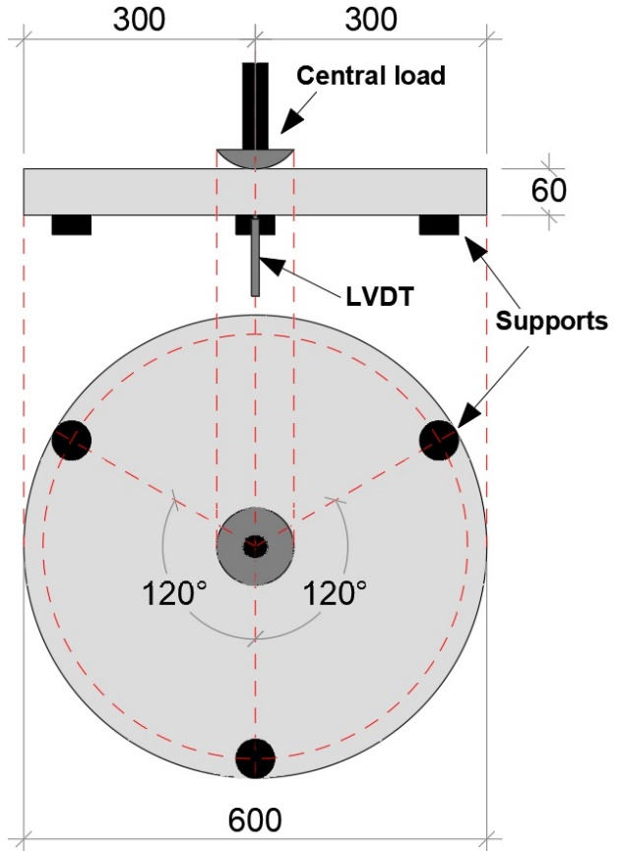
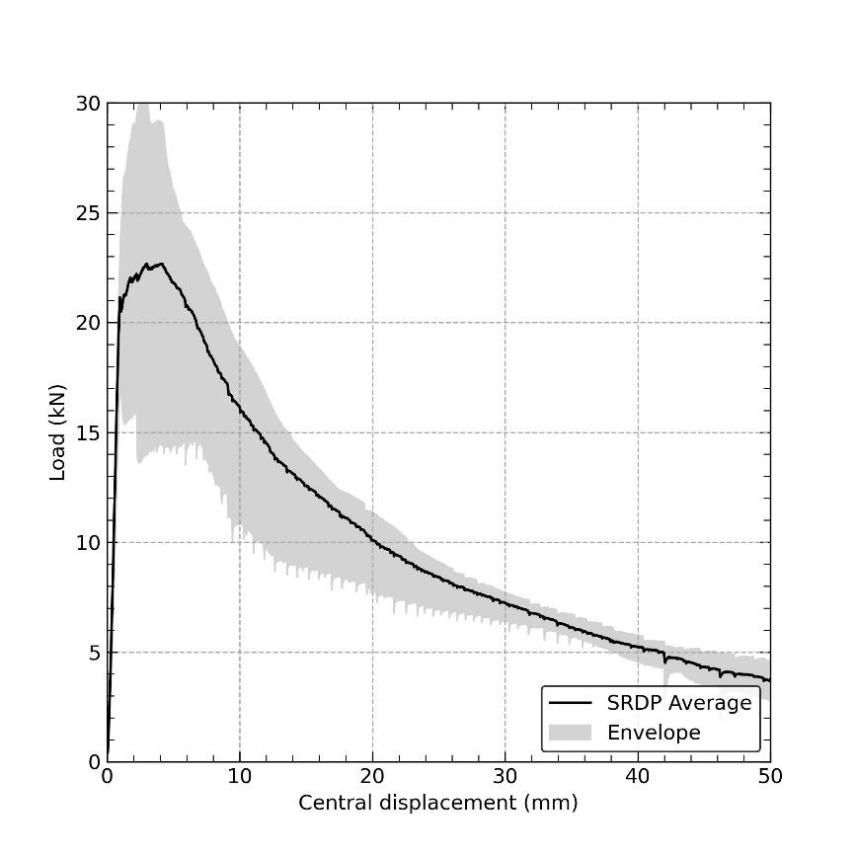
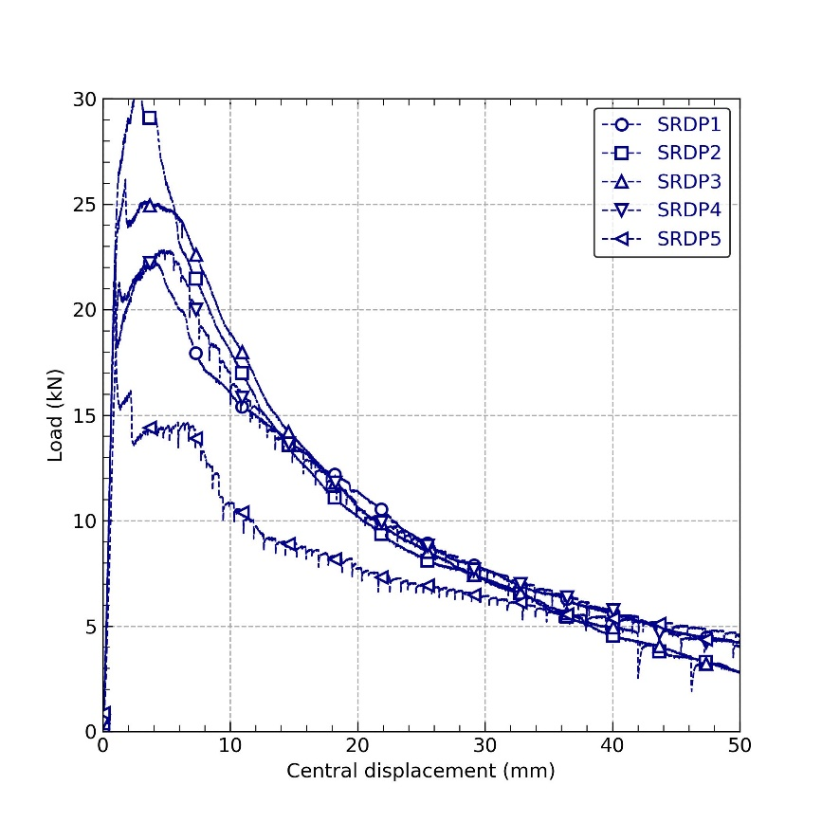

At 22 days |  |  |  |  |  |  |  |  |  |  |  |  |  |  | At punching test age
SRDP 1 |  |  | SRDP 2 |  |  | SRDP 3 |  |  | SRDP 4 |  |  | SRDP 5 |  |  | SRDP 6 |  |  | SRDP 7 |  |  | SRDP 8 |  |  | SRDP 9
Mean thickness (mm) | STD (mm) | CoV (%) | Mean thickness (mm) | STD (mm) | CoV (%) | Mean thickness (mm) | STD (mm) | CoV (%) | Mean thickness (mm) | STD (mm) | CoV (%) | Mean thickness (mm) | STD (mm) | CoV (%) | Mean thickness (mm) | STD (mm) | CoV (%) | Mean thickness (mm) | STD (mm) | CoV (%) | Mean thickness (mm) | STD (mm) | CoV (%) | Mean thickness (mm) | STD (mm) | CoV (%)
63.17 | 0.61 | 0.96 | 64.43 | 0.61 | 0.94 | 65.92 | 0.74 | 1.13 | 65.47 | 1.09 | 1.67 | 61.90 | 0.69 | 1.12

Load (kN) | Central deflection (mm) | Nominal stress (Mpa) | Load (kN) | Central deflection (mm) | Nominal stress (Mpa) | Load (kN) | Central deflection (mm) | Nominal stress (Mpa) | Load (kN) | Central deflection (mm) | Nominal stress (Mpa) | Load (kN) | Central deflection (mm) | Nominal stress (Mpa) | Load (kN) | Central deflection (mm) | Nominal stress (Mpa) | Load (kN) | Central deflection (mm) | Nominal stress (Mpa) | Load (kN) | Central deflection (mm) | Nominal stress (Mpa) | Load (kN) | Central deflection (mm) | Nominal stress (Mpa)
0.130 | 0.054 | 0.033 | 0.391 | 0.040 | 0.096 | 0.311 | 0.047 | 0.073 | 0.180 | 0.034 | 0.043 | 0.601 | 0.054 | 0.160
0.080 | 0.047 | 0.021 | 0.260 | 0.040 | 0.064 | 0.180 | 0.040 | 0.042 | 0.080 | 0.040 | 0.019 | 0.250 | 0.054 | 0.067
0.070 | 0.047 | 0.018 | 0.250 | 0.034 | 0.062 | 0.210 | 0.034 | 0.050 | 0.130 | 0.034 | 0.031 | 0.220 | 0.047 | 0.059
0.190 | 0.054 | 0.049 | 0.491 | 0.034 | 0.121 | 0.471 | 0.047 | 0.111 | 0.311 | 0.054 | 0.074 | 0.481 | 0.047 | 0.128
0.220 | 0.060 | 0.056 | 0.651 | 0.047 | 0.160 | 0.521 | 0.054 | 0.123 | 0.331 | 0.054 | 0.079 | 0.651 | 0.060 | 0.174
0.280 | 0.067 | 0.072 | 0.831 | 0.067 | 0.205 | 0.691 | 0.054 | 0.163 | 0.421 | 0.067 | 0.100 | 0.771 | 0.067 | 0.206
0.290 | 0.074 | 0.074 | 0.831 | 0.067 | 0.205 | 0.821 | 0.060 | 0.193 | 0.491 | 0.074 | 0.117 | 0.871 | 0.074 | 0.233
0.290 | 0.081 | 0.074 | 1.152 | 0.087 | 0.284 | 0.911 | 0.067 | 0.215 | 0.561 | 0.081 | 0.134 | 0.932 | 0.081 | 0.249
0.371 | 0.087 | 0.095 | 1.302 | 0.101 | 0.321 | 0.992 | 0.081 | 0.233 | 0.691 | 0.087 | 0.165 | 1.032 | 0.087 | 0.275
0.441 | 0.094 | 0.113 | 1.412 | 0.101 | 0.348 | 1.062 | 0.087 | 0.250 | 0.781 | 0.087 | 0.186 | 1.082 | 0.094 | 0.289
0.521 | 0.107 | 0.134 | 1.703 | 0.107 | 0.420 | 1.222 | 0.101 | 0.288 | 0.952 | 0.101 | 0.227 | 1.172 | 0.094 | 0.313
0.591 | 0.114 | 0.151 | 1.743 | 0.128 | 0.429 | 1.332 | 0.101 | 0.314 | 1.042 | 0.101 | 0.249 | 1.382 | 0.107 | 0.369
0.621 | 0.114 | 0.159 | 1.723 | 0.134 | 0.425 | 1.432 | 0.107 | 0.337 | 1.142 | 0.107 | 0.273 | 1.512 | 0.114 | 0.404
0.781 | 0.128 | 0.200 | 1.883 | 0.141 | 0.464 | 1.673 | 0.114 | 0.394 | 1.332 | 0.121 | 0.318 | 1.703 | 0.128 | 0.455
0.801 | 0.141 | 0.205 | 1.913 | 0.141 | 0.471 | 1.793 | 0.121 | 0.422 | 1.462 | 0.128 | 0.349 | 1.733 | 0.134 | 0.463
0.921 | 0.148 | 0.236 | 2.083 | 0.148 | 0.513 | 1.873 | 0.128 | 0.441 | 1.703 | 0.141 | 0.406 | 1.813 | 0.134 | 0.484
1.002 | 0.154 | 0.257 | 2.194 | 0.148 | 0.541 | 1.913 | 0.148 | 0.450 | 1.733 | 0.148 | 0.414 | 2.093 | 0.141 | 0.559
1.042 | 0.161 | 0.267 | 2.334 | 0.154 | 0.575 | 1.963 | 0.154 | 0.462 | 1.793 | 0.154 | 0.428 | 2.194 | 0.154 | 0.586
1.132 | 0.161 | 0.290 | 2.644 | 0.168 | 0.652 | 2.204 | 0.154 | 0.519 | 1.993 | 0.161 | 0.476 | 2.384 | 0.168 | 0.636
1.242 | 0.161 | 0.318 | 2.644 | 0.175 | 0.652 | 2.344 | 0.161 | 0.552 | 2.123 | 0.168 | 0.507 | 2.514 | 0.168 | 0.671
1.502 | 0.168 | 0.385 | 2.704 | 0.188 | 0.666 | 2.514 | 0.168 | 0.592 | 2.294 | 0.175 | 0.547 | 2.724 | 0.175 | 0.727
1.583 | 0.188 | 0.406 | 2.855 | 0.188 | 0.703 | 2.634 | 0.168 | 0.620 | 2.414 | 0.175 | 0.576 | 2.825 | 0.181 | 0.754
1.603 | 0.195 | 0.411 | 2.985 | 0.195 | 0.736 | 2.774 | 0.175 | 0.653 | 2.584 | 0.175 | 0.617 | 2.885 | 0.188 | 0.770
1.713 | 0.201 | 0.439 | 3.135 | 0.208 | 0.773 | 2.835 | 0.188 | 0.667 | 2.895 | 0.195 | 0.691 | 3.195 | 0.195 | 0.853
1.853 | 0.208 | 0.475 | 3.275 | 0.208 | 0.807 | 2.905 | 0.195 | 0.684 | 2.915 | 0.201 | 0.696 | 3.285 | 0.201 | 0.877
1.963 | 0.215 | 0.503 | 3.716 | 0.215 | 0.916 | 3.115 | 0.201 | 0.733 | 2.965 | 0.208 | 0.708 | 3.375 | 0.208 | 0.901
2.023 | 0.222 | 0.519 | 3.816 | 0.228 | 0.940 | 3.235 | 0.208 | 0.762 | 3.135 | 0.208 | 0.748 | 3.606 | 0.222 | 0.963
2.163 | 0.222 | 0.555 | 3.746 | 0.235 | 0.923 | 3.345 | 0.215 | 0.788 | 3.305 | 0.215 | 0.789 | 3.726 | 0.228 | 0.995
2.424 | 0.235 | 0.621 | 3.756 | 0.242 | 0.926 | 3.586 | 0.215 | 0.844 | 3.436 | 0.222 | 0.820 | 4.077 | 0.228 | 1.088
2.454 | 0.242 | 0.629 | 3.866 | 0.242 | 0.953 | 3.836 | 0.222 | 0.903 | 3.526 | 0.228 | 0.841 | 4.187 | 0.235 | 1.118
2.554 | 0.255 | 0.655 | 4.077 | 0.248 | 1.005 | 4.016 | 0.242 | 0.946 | 3.976 | 0.242 | 0.949 | 4.237 | 0.242 | 1.131
2.664 | 0.255 | 0.683 | 4.397 | 0.255 | 1.084 | 4.027 | 0.248 | 0.948 | 4.107 | 0.248 | 0.980 | 4.417 | 0.248 | 1.179
2.784 | 0.262 | 0.714 | 4.587 | 0.262 | 1.130 | 4.087 | 0.248 | 0.962 | 4.117 | 0.255 | 0.983 | 4.537 | 0.248 | 1.211
2.945 | 0.269 | 0.755 | 4.908 | 0.275 | 1.209 | 4.377 | 0.262 | 1.030 | 4.297 | 0.262 | 1.026 | 4.838 | 0.255 | 1.292
3.015 | 0.275 | 0.773 | 4.908 | 0.275 | 1.209 | 4.577 | 0.269 | 1.078 | 4.387 | 0.269 | 1.047 | 4.998 | 0.269 | 1.334
3.305 | 0.282 | 0.847 | 4.858 | 0.282 | 1.197 | 4.748 | 0.275 | 1.118 | 4.668 | 0.275 | 1.114 | 5.188 | 0.275 | 1.385
3.375 | 0.289 | 0.865 | 5.098 | 0.295 | 1.256 | 4.938 | 0.275 | 1.162 | 4.848 | 0.282 | 1.157 | 5.409 | 0.289 | 1.444
3.385 | 0.295 | 0.868 | 5.299 | 0.302 | 1.306 | 5.128 | 0.282 | 1.207 | 5.058 | 0.289 | 1.207 | 5.439 | 0.295 | 1.452
3.526 | 0.302 | 0.904 | 5.509 | 0.309 | 1.358 | 5.269 | 0.302 | 1.240 | 5.429 | 0.302 | 1.296 | 5.689 | 0.302 | 1.519
3.666 | 0.309 | 0.940 | 5.679 | 0.309 | 1.400 | 5.279 | 0.302 | 1.243 | 5.449 | 0.309 | 1.300 | 5.890 | 0.309 | 1.572
3.866 | 0.316 | 0.991 | 5.910 | 0.316 | 1.456 | 5.589 | 0.316 | 1.316 | 5.519 | 0.309 | 1.317 | 5.950 | 0.309 | 1.588
3.976 | 0.322 | 1.019 | 6.230 | 0.329 | 1.535 | 5.729 | 0.316 | 1.349 | 5.699 | 0.316 | 1.360 | 6.100 | 0.322 | 1.629
4.117 | 0.329 | 1.055 | 6.250 | 0.336 | 1.540 | 5.849 | 0.322 | 1.377 | 5.910 | 0.322 | 1.410 | 6.320 | 0.329 | 1.687
4.327 | 0.342 | 1.109 | 6.410 | 0.349 | 1.580 | 6.170 | 0.329 | 1.453 | 6.130 | 0.329 | 1.463 | 6.651 | 0.336 | 1.776
4.397 | 0.349 | 1.127 | 6.531 | 0.356 | 1.609 | 6.350 | 0.329 | 1.495 | 6.290 | 0.336 | 1.501 | 6.751 | 0.342 | 1.802
4.507 | 0.356 | 1.155 | 6.651 | 0.363 | 1.639 | 6.551 | 0.349 | 1.542 | 6.771 | 0.356 | 1.616 | 6.841 | 0.349 | 1.826
4.587 | 0.363 | 1.176 | 6.951 | 0.363 | 1.713 | 6.551 | 0.356 | 1.542 | 6.901 | 0.363 | 1.647 | 7.111 | 0.356 | 1.899
4.678 | 0.369 | 1.199 | 7.182 | 0.369 | 1.770 | 6.621 | 0.356 | 1.559 | 6.951 | 0.369 | 1.659 | 7.262 | 0.369 | 1.939
4.968 | 0.376 | 1.274 | 7.602 | 0.389 | 1.873 | 6.831 | 0.369 | 1.608 | 7.031 | 0.376 | 1.678 | 7.522 | 0.376 | 2.008
5.098 | 0.383 | 1.307 | 7.602 | 0.396 | 1.873 | 6.951 | 0.376 | 1.636 | 7.232 | 0.383 | 1.726 | 7.743 | 0.376 | 2.067
5.279 | 0.389 | 1.353 | 7.612 | 0.396 | 1.876 | 7.312 | 0.383 | 1.721 | 7.552 | 0.389 | 1.802 | 7.973 | 0.389 | 2.129
5.339 | 0.396 | 1.369 | 7.903 | 0.403 | 1.948 | 7.592 | 0.383 | 1.787 | 7.632 | 0.396 | 1.822 | 8.113 | 0.403 | 2.166
5.379 | 0.403 | 1.379 | 8.103 | 0.410 | 1.997 | 7.803 | 0.389 | 1.837 | 7.823 | 0.396 | 1.867 | 8.153 | 0.403 | 2.177
5.479 | 0.410 | 1.405 | 8.424 | 0.416 | 2.076 | 7.843 | 0.403 | 1.846 | 8.133 | 0.416 | 1.941 | 8.474 | 0.410 | 2.262
5.649 | 0.410 | 1.448 | 8.654 | 0.423 | 2.133 | 7.993 | 0.410 | 1.882 | 8.243 | 0.416 | 1.967 | 8.694 | 0.416 | 2.321
5.950 | 0.430 | 1.525 | 8.864 | 0.430 | 2.184 | 8.213 | 0.430 | 1.934 | 8.474 | 0.423 | 2.022 | 8.794 | 0.430 | 2.348
6.070 | 0.436 | 1.556 | 8.995 | 0.443 | 2.217 | 8.263 | 0.430 | 1.945 | 8.564 | 0.430 | 2.044 | 9.045 | 0.436 | 2.415
6.210 | 0.436 | 1.592 | 9.005 | 0.450 | 2.219 | 8.424 | 0.430 | 1.983 | 8.694 | 0.436 | 2.075 | 9.265 | 0.443 | 2.474
6.531 | 0.450 | 1.674 | 9.385 | 0.457 | 2.313 | 8.884 | 0.436 | 2.092 | 9.175 | 0.450 | 2.190 | 9.505 | 0.450 | 2.538
6.621 | 0.457 | 1.697 | 9.465 | 0.463 | 2.333 | 9.025 | 0.443 | 2.125 | 9.425 | 0.457 | 2.249 | 9.535 | 0.457 | 2.546
6.661 | 0.470 | 1.708 | 9.525 | 0.470 | 2.347 | 9.235 | 0.457 | 2.174 | 9.716 | 0.463 | 2.319 | 9.716 | 0.457 | 2.594
6.701 | 0.470 | 1.718 | 9.946 | 0.477 | 2.451 | 9.255 | 0.463 | 2.179 | 9.766 | 0.470 | 2.331 | 10.086 | 0.470 | 2.693
6.771 | 0.477 | 1.736 | 10.217 | 0.477 | 2.518 | 9.295 | 0.470 | 2.188 | 9.856 | 0.477 | 2.352 | 10.156 | 0.470 | 2.712
7.061 | 0.483 | 1.810 | 10.407 | 0.497 | 2.565 | 9.585 | 0.477 | 2.257 | 10.016 | 0.483 | 2.391 | 10.437 | 0.483 | 2.787
7.272 | 0.490 | 1.864 | 10.377 | 0.497 | 2.557 | 9.716 | 0.483 | 2.287 | 10.046 | 0.483 | 2.398 | 10.677 | 0.490 | 2.851
7.562 | 0.504 | 1.939 | 10.477 | 0.504 | 2.582 | 10.136 | 0.490 | 2.386 | 10.327 | 0.490 | 2.465 | 10.868 | 0.497 | 2.902
7.542 | 0.510 | 1.934 | 10.807 | 0.517 | 2.663 | 10.407 | 0.497 | 2.450 | 10.607 | 0.504 | 2.532 | 11.008 | 0.504 | 2.939
7.542 | 0.517 | 1.934 | 10.958 | 0.517 | 2.700 | 10.567 | 0.497 | 2.488 | 10.838 | 0.510 | 2.587 | 11.048 | 0.504 | 2.950
7.853 | 0.524 | 2.013 | 11.408 | 0.530 | 2.811 | 10.537 | 0.510 | 2.481 | 11.138 | 0.517 | 2.658 | 11.268 | 0.510 | 3.008
8.083 | 0.530 | 2.072 | 11.729 | 0.537 | 2.890 | 10.607 | 0.510 | 2.497 | 11.248 | 0.524 | 2.685 | 11.428 | 0.524 | 3.051
8.133 | 0.544 | 2.085 | 11.939 | 0.544 | 2.942 | 11.078 | 0.524 | 2.608 | 11.459 | 0.524 | 2.735 | 11.609 | 0.530 | 3.099
8.253 | 0.544 | 2.116 | 11.819 | 0.557 | 2.913 | 11.308 | 0.537 | 2.662 | 11.579 | 0.530 | 2.763 | 12.100 | 0.551 | 3.230
8.494 | 0.551 | 2.177 | 11.769 | 0.557 | 2.900 | 11.549 | 0.544 | 2.719 | 11.799 | 0.544 | 2.816 | 12.310 | 0.551 | 3.287
8.634 | 0.557 | 2.213 | 12.210 | 0.571 | 3.009 | 11.809 | 0.544 | 2.780 | 12.170 | 0.557 | 2.904 | 12.330 | 0.564 | 3.292
8.644 | 0.557 | 2.216 | 12.440 | 0.571 | 3.066 | 11.999 | 0.557 | 2.825 | 12.380 | 0.557 | 2.955 | 12.270 | 0.564 | 3.276
8.964 | 0.577 | 2.298 | 12.600 | 0.577 | 3.105 | 12.090 | 0.577 | 2.846 | 12.831 | 0.571 | 3.062 | 12.320 | 0.564 | 3.289
9.095 | 0.584 | 2.332 | 12.981 | 0.584 | 3.199 | 12.100 | 0.577 | 2.848 | 12.931 | 0.577 | 3.086 | 12.801 | 0.571 | 3.418
9.175 | 0.591 | 2.352 | 13.111 | 0.591 | 3.231 | 12.530 | 0.584 | 2.950 | 13.001 | 0.584 | 3.103 | 13.011 | 0.584 | 3.474
9.405 | 0.591 | 2.411 | 13.241 | 0.598 | 3.263 | 12.690 | 0.591 | 2.988 | 13.141 | 0.591 | 3.136 | 13.472 | 0.591 | 3.597
9.616 | 0.598 | 2.465 | 13.271 | 0.604 | 3.271 | 12.731 | 0.591 | 2.997 | 13.281 | 0.591 | 3.170 | 13.702 | 0.604 | 3.658
9.946 | 0.618 | 2.550 | 13.372 | 0.604 | 3.295 | 13.061 | 0.598 | 3.075 | 13.602 | 0.604 | 3.246 | 13.872 | 0.611 | 3.704
9.966 | 0.618 | 2.555 | 13.842 | 0.618 | 3.411 | 13.362 | 0.604 | 3.146 | 13.822 | 0.611 | 3.299 | 13.922 | 0.618 | 3.717
9.986 | 0.624 | 2.560 | 14.073 | 0.624 | 3.468 | 13.442 | 0.624 | 3.164 | 14.093 | 0.618 | 3.363 | 13.943 | 0.624 | 3.723
10.146 | 0.631 | 2.601 | 14.413 | 0.638 | 3.552 | 13.482 | 0.618 | 3.174 | 14.443 | 0.631 | 3.447 | 14.243 | 0.631 | 3.803
10.337 | 0.638 | 2.650 | 14.634 | 0.645 | 3.606 | 13.672 | 0.631 | 3.219 | 14.413 | 0.631 | 3.440 | 14.483 | 0.638 | 3.867
10.657 | 0.645 | 2.732 | 14.794 | 0.651 | 3.646 | 13.922 | 0.638 | 3.278 | 14.523 | 0.631 | 3.466 | 14.644 | 0.645 | 3.910
10.767 | 0.651 | 2.760 | 14.764 | 0.665 | 3.638 | 14.133 | 0.645 | 3.327 | 14.754 | 0.638 | 3.521 | 15.004 | 0.658 | 4.006
10.908 | 0.658 | 2.796 | 14.714 | 0.658 | 3.626 | 14.473 | 0.651 | 3.407 | 15.044 | 0.645 | 3.591 | 15.195 | 0.658 | 4.057
11.048 | 0.665 | 2.832 | 14.974 | 0.665 | 3.690 | 14.674 | 0.658 | 3.454 | 15.525 | 0.658 | 3.705 | 15.325 | 0.665 | 4.092
11.028 | 0.665 | 2.827 | 15.265 | 0.671 | 3.762 | 14.854 | 0.665 | 3.497 | 15.735 | 0.671 | 3.756 | 15.335 | 0.665 | 4.094
11.358 | 0.685 | 2.912 | 15.525 | 0.685 | 3.826 | 14.854 | 0.685 | 3.497 | 16.016 | 0.678 | 3.822 | 15.425 | 0.671 | 4.118
11.448 | 0.692 | 2.935 | 15.986 | 0.692 | 3.939 | 14.854 | 0.685 | 3.497 | 15.936 | 0.685 | 3.803 | 15.926 | 0.685 | 4.252
11.539 | 0.692 | 2.958 | 16.186 | 0.698 | 3.989 | 15.195 | 0.692 | 3.577 | 16.016 | 0.685 | 3.822 | 16.066 | 0.692 | 4.289
11.849 | 0.705 | 3.038 | 16.246 | 0.705 | 4.004 | 15.305 | 0.698 | 3.603 | 16.487 | 0.698 | 3.935 | 16.266 | 0.705 | 4.343
12.059 | 0.705 | 3.092 | 16.346 | 0.705 | 4.028 | 15.425 | 0.698 | 3.631 | 16.587 | 0.705 | 3.959 | 16.547 | 0.712 | 4.418
12.260 | 0.725 | 3.143 | 16.597 | 0.712 | 4.090 | 15.916 | 0.705 | 3.747 | 16.857 | 0.718 | 4.023 | 16.777 | 0.718 | 4.479
12.230 | 0.725 | 3.135 | 16.957 | 0.739 | 4.179 | 16.136 | 0.718 | 3.799 | 17.128 | 0.725 | 4.088 | 16.657 | 0.725 | 4.447
12.360 | 0.732 | 3.169 | 17.007 | 0.739 | 4.191 | 16.166 | 0.725 | 3.806 | 17.358 | 0.725 | 4.143 | 16.657 | 0.725 | 4.447
12.600 | 0.745 | 3.230 | 17.248 | 0.745 | 4.250 | 16.176 | 0.725 | 3.808 | 17.548 | 0.732 | 4.188 | 17.158 | 0.739 | 4.581
12.690 | 0.745 | 3.253 | 17.448 | 0.752 | 4.300 | 16.286 | 0.732 | 3.834 | 17.638 | 0.732 | 4.210 | 17.328 | 0.745 | 4.626
12.971 | 0.759 | 3.325 | 17.578 | 0.752 | 4.332 | 16.547 | 0.739 | 3.895 | 17.849 | 0.745 | 4.260 | 17.388 | 0.759 | 4.642
13.151 | 0.759 | 3.371 | 17.618 | 0.765 | 4.342 | 16.657 | 0.745 | 3.921 | 17.989 | 0.752 | 4.293 | 17.659 | 0.765 | 4.715
13.342 | 0.759 | 3.420 | 17.789 | 0.779 | 4.384 | 17.098 | 0.759 | 4.025 | 18.119 | 0.759 | 4.324 | 17.939 | 0.765 | 4.790
13.552 | 0.779 | 3.474 | 18.259 | 0.786 | 4.500 | 17.338 | 0.765 | 4.082 | 18.510 | 0.765 | 4.418 | 18.019 | 0.772 | 4.811
13.472 | 0.786 | 3.454 | 18.360 | 0.792 | 4.524 | 17.498 | 0.772 | 4.119 | 18.810 | 0.772 | 4.489 | 17.999 | 0.779 | 4.806
13.592 | 0.799 | 3.484 | 18.430 | 0.792 | 4.542 | 17.418 | 0.786 | 4.101 | 19.161 | 0.786 | 4.573 | 18.139 | 0.779 | 4.843
13.772 | 0.806 | 3.531 | 18.880 | 0.799 | 4.653 | 17.498 | 0.792 | 4.119 | 19.121 | 0.792 | 4.564 | 18.610 | 0.786 | 4.969
13.862 | 0.806 | 3.554 | 19.141 | 0.806 | 4.717 | 17.749 | 0.799 | 4.178 | 19.181 | 0.799 | 4.578 | 18.830 | 0.799 | 5.028
14.053 | 0.812 | 3.603 | 19.061 | 0.819 | 4.697 | 17.869 | 0.806 | 4.207 | 19.441 | 0.812 | 4.640 | 18.991 | 0.812 | 5.070
14.263 | 0.812 | 3.657 | 19.041 | 0.819 | 4.692 | 18.079 | 0.806 | 4.256 | 19.532 | 0.812 | 4.662 | 19.071 | 0.819 | 5.092
14.473 | 0.826 | 3.710 | 19.191 | 0.826 | 4.729 | 18.540 | 0.819 | 4.365 | 19.762 | 0.819 | 4.717 | 19.211 | 0.819 | 5.129
14.513 | 0.826 | 3.721 | 19.722 | 0.839 | 4.860 | 18.680 | 0.826 | 4.398 | 20.002 | 0.819 | 4.774 | 19.391 | 0.833 | 5.177
14.564 | 0.833 | 3.734 | 19.882 | 0.846 | 4.900 | 18.530 | 0.839 | 4.362 | 20.263 | 0.826 | 4.836 | 19.512 | 0.833 | 5.209
14.834 | 0.846 | 3.803 | 20.133 | 0.853 | 4.961 | 18.490 | 0.839 | 4.353 | 20.313 | 0.846 | 4.848 | 19.632 | 0.846 | 5.241
14.974 | 0.853 | 3.839 | 20.473 | 0.859 | 5.045 | 18.640 | 0.839 | 4.388 | 20.273 | 0.846 | 4.838 | 19.602 | 0.853 | 5.233
15.154 | 0.866 | 3.885 | 20.764 | 0.873 | 5.117 | 19.071 | 0.853 | 4.490 | 20.603 | 0.853 | 4.917 | 19.712 | 0.859 | 5.263
15.355 | 0.866 | 3.936 | 20.603 | 0.886 | 5.077 | 19.231 | 0.859 | 4.527 | 20.693 | 0.859 | 4.939 | 20.163 | 0.873 | 5.383
15.555 | 0.866 | 3.988 | 20.533 | 0.886 | 5.060 | 19.512 | 0.873 | 4.593 | 20.723 | 0.866 | 4.946 | 20.423 | 0.873 | 5.453
15.685 | 0.886 | 4.021 | 20.744 | 0.900 | 5.112 | 19.752 | 0.880 | 4.650 | 21.024 | 0.873 | 5.018 | 20.403 | 0.880 | 5.447
15.735 | 0.893 | 4.034 | 20.924 | 0.900 | 5.156 | 19.822 | 0.886 | 4.666 | 21.274 | 0.880 | 5.077 | 20.363 | 0.886 | 5.437
16.016 | 0.906 | 4.106 | 21.144 | 0.900 | 5.211 | 19.582 | 0.893 | 4.610 | 21.385 | 0.893 | 5.104 | 20.393 | 0.893 | 5.445
16.126 | 0.906 | 4.134 | 21.655 | 0.906 | 5.337 | 19.662 | 0.893 | 4.629 | 21.174 | 0.893 | 5.054 | 20.383 | 0.900 | 5.442
16.106 | 0.913 | 4.129 | 21.765 | 0.913 | 5.364 | 19.982 | 0.906 | 4.704 | 21.174 | 0.893 | 5.054 | 20.553 | 0.906 | 5.487
16.246 | 0.920 | 4.165 | 21.675 | 0.933 | 5.341 | 20.062 | 0.913 | 4.723 | 21.525 | 0.906 | 5.137 | 20.984 | 0.920 | 5.602
16.487 | 0.920 | 4.227 | 21.655 | 0.933 | 5.337 | 20.183 | 0.913 | 4.751 | 21.625 | 0.913 | 5.161 | 21.114 | 0.927 | 5.637
16.757 | 0.933 | 4.296 | 21.785 | 0.933 | 5.369 | 20.663 | 0.920 | 4.865 | 21.986 | 0.927 | 5.247 | 21.194 | 0.933 | 5.659
16.907 | 0.947 | 4.334 | 22.126 | 0.947 | 5.453 | 20.874 | 0.927 | 4.914 | 22.216 | 0.933 | 5.302 | 21.004 | 0.947 | 5.608
17.007 | 0.953 | 4.360 | 22.276 | 0.953 | 5.490 | 20.814 | 0.947 | 4.900 | 22.336 | 0.933 | 5.331 | 20.874 | 0.947 | 5.573
16.987 | 0.960 | 4.355 | 22.677 | 0.960 | 5.588 | 20.703 | 0.947 | 4.874 | 22.216 | 0.953 | 5.302 | 21.104 | 0.947 | 5.635
17.118 | 0.960 | 4.388 | 22.937 | 0.967 | 5.652 | 20.774 | 0.947 | 4.890 | 22.286 | 0.953 | 5.319 | 21.234 | 0.960 | 5.669
17.508 | 0.974 | 4.488 | 23.027 | 0.974 | 5.675 | 21.204 | 0.960 | 4.992 | 22.607 | 0.960 | 5.395 | 21.324 | 0.967 | 5.693
17.628 | 0.980 | 4.519 | 22.837 | 0.994 | 5.628 | 21.405 | 0.967 | 5.039 | 22.596 | 0.974 | 5.393 | 21.525 | 0.980 | 5.747
17.729 | 0.980 | 4.545 | 22.887 | 0.994 | 5.640 | 21.675 | 0.974 | 5.103 | 22.486 | 0.974 | 5.367 | 21.395 | 0.980 | 5.712
17.739 | 0.994 | 4.548 | 23.258 | 1.000 | 5.731 | 21.675 | 0.980 | 5.103 | 22.536 | 0.980 | 5.379 | 20.673 | 0.994 | 5.520
17.799 | 1.007 | 4.563 | 23.378 | 1.007 | 5.761 | 21.635 | 0.987 | 5.093 | 22.546 | 0.987 | 5.381 | 20.293 | 0.994 | 5.418
17.969 | 1.007 | 4.607 | 23.508 | 1.014 | 5.793 | 21.615 | 0.994 | 5.089 | 21.725 | 1.007 | 5.185 | 19.942 | 1.000 | 5.324
18.099 | 1.014 | 4.640 | 23.758 | 1.014 | 5.855 | 21.715 | 1.000 | 5.112 | 21.164 | 1.007 | 5.051 | 19.451 | 1.014 | 5.193
18.259 | 1.021 | 4.681 | 23.859 | 1.021 | 5.880 | 21.915 | 1.021 | 5.159 | 20.744 | 1.007 | 4.951 | 19.271 | 1.021 | 5.145
18.530 | 1.027 | 4.750 | 23.899 | 1.027 | 5.889 | 21.885 | 1.021 | 5.152 | 20.102 | 1.021 | 4.798 | 19.101 | 1.027 | 5.100
18.670 | 1.034 | 4.786 | 23.889 | 1.041 | 5.887 | 21.935 | 1.027 | 5.164 | 19.762 | 1.027 | 4.717 | 18.921 | 1.034 | 5.052
18.720 | 1.047 | 4.799 | 24.049 | 1.047 | 5.926 | 22.416 | 1.034 | 5.277 | 19.251 | 1.034 | 4.595 | 18.620 | 1.041 | 4.971
18.680 | 1.047 | 4.789 | 24.299 | 1.061 | 5.988 | 22.576 | 1.041 | 5.315 | 19.091 | 1.047 | 4.556 | 18.029 | 1.054 | 4.814
18.740 | 1.054 | 4.804 | 24.349 | 1.061 | 6.000 | 22.586 | 1.054 | 5.317 | 18.911 | 1.054 | 4.513 | 17.839 | 1.061 | 4.763
19.061 | 1.061 | 4.886 | 24.630 | 1.068 | 6.070 | 22.607 | 1.061 | 5.322 | 18.560 | 1.054 | 4.430 | 17.288 | 1.068 | 4.616
...

Steel bar Properties
...
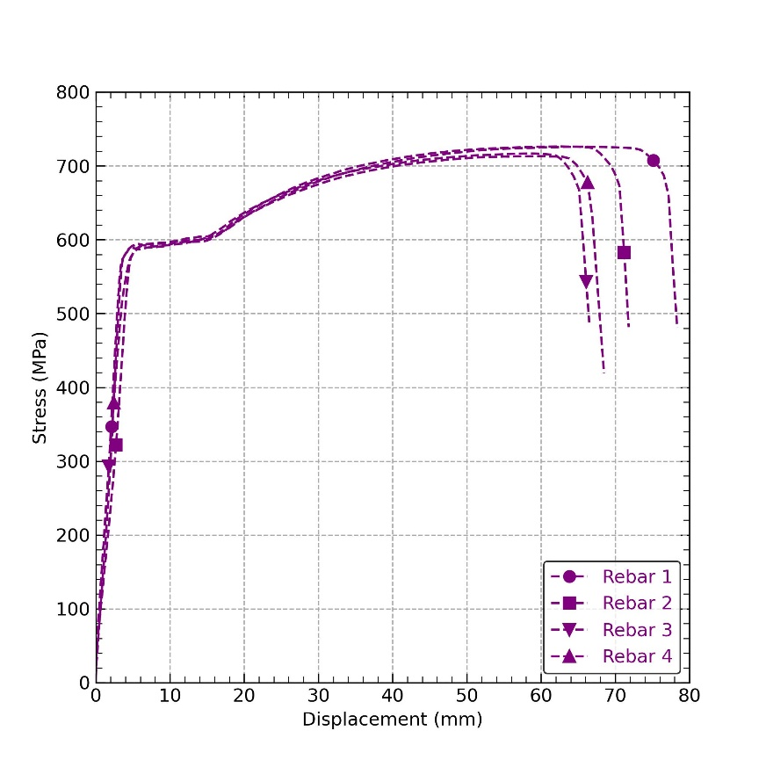
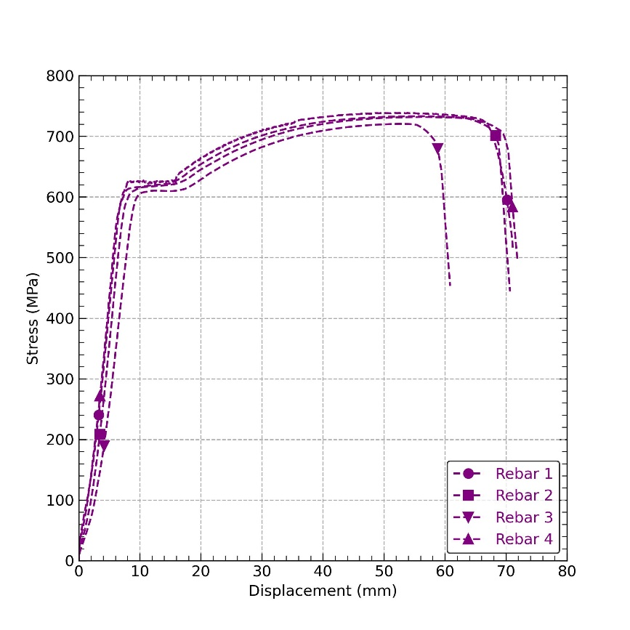
 |  |  |  |  |  | 8mm rebars graphic | 12mm rebars graphic
 |  | Rebar 4
STD (mm) | CoV (%) | Mean diameter (mm) |  | STD (mm) | CoV (%)
0.15 | 1.29% | 11.52 |  | 0.11 | 0.97%
****Strain (‰) | Stress (MPa) | Load (kN) | Displacement (mm) | ****Strain (‰) | Stress (MPa)
-0.0494781875 | -4.9458044604 | 0.9179926 | -0.01373291 | -0.054425 | 8.8264757394
-0.0445302625 | -4.0580966274 | 1.077643 | -0.009155273 | -0.0494778125 | 10.361510316
-0.0445302625 | -3.2337963606 | 1.197381 | 0 | -0.0445291375 | 11.512788172
-0.039582325 | -3.1069812282 | 1.310468 | 0.004577637 | -0.0445291375 | 12.60011683
-0.039582325 | -2.0924554033 | 1.47677 | 0.009155273 | -0.034634775 | 14.199106374
-0.034634775 | -0.82430045744 | 1.649725 | 0.01831055 | -0.0296860875 | 15.862064345
-0.034634775 | 1.458377835 | 1.802724 | 0.03204346 | -0.0197902375 | 17.333145878
-0.0296868375 | 2.9801632363 | 2.002288 | 0.04119873 | -0.0197902375 | 19.251948714
-0.0247389125 | 4.5019505439 | 2.155287 | 0.05493164 | -0.004947185 | 20.723030248
-0.0296868375 | 6.0237359451 | 2.314938 | 0.06408691 | -0.004947185 | 22.258070594
-0.0247389125 | 7.2284854218 | 2.501197 | 0.0869751 | 0 | 24.04894619
-0.019790975 | 8.750270823 | 2.600979 | 0.100708 | 0.00989586125 | 25.008347608
-0.0247389125 | 9.8281965886 | 2.753977 | 0.1235962 | 0.00989586125 | 26.479419526
-0.019790975 | 11.032950831 | 2.893672 | 0.1373291 | 0.019791725 | 27.822583435
-0.014843425 | 12.237695542 | 3.046671 | 0.1602173 | 0.0296875875 | 29.293664968
-0.014843425 | 13.505856398 | 3.193017 | 0.1876831 | 0.034634775 | 30.700778074
-0.00989548875 | 14.710601108 | 3.352668 | 0.2151566 | 0.03958345 | 32.23581842
-0.0049475575 | 15.978752432 | 3.512319 | 0.2472 | 0.0494793 | 33.770858766
0 | 17.563946353 | 3.685274 | 0.2883987 | 0.0544264875 | 35.433816737
-0.0049475575 | 18.958920434 | 3.864882 | 0.3204422 | 0.06432235 | 37.160743135
-0.00989548875 | 20.797740807 | 4.037837 | 0.3570633 | 0.0692695375 | 38.823701106
-0.00989548875 | 22.319528115 | 4.14427 | 0.3799515 | 0.0692695375 | 39.847051722
-0.0049475575 | 23.777908809 | 4.270661 | 0.4074173 | 0.0692695375 | 41.062298005
...

